Sheet1
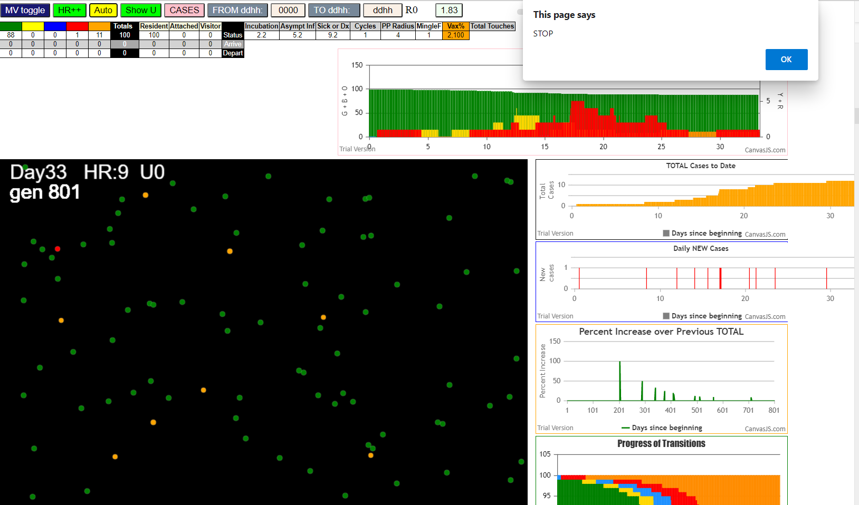
simulationRev2Vax.js:833 Mon Jan 04 2021 12:45:09 GMT-0800 (Pacific Standard Time)
simulationRev2Vax.js:834 CovidSIMVL Mode1 and Mod2 Moderna
simulationRev2Vax.js:4303 exit covidSim
simulationRev2Vax.js:23 getAsText File {name: "HundredAgentsU0mF1.csv", lastModified: 1608077990000, lastModifiedDate: Tue Dec 15 2020 16:19:50 GMT-0800 (Pacific Standard Time), webkitRelativePath: "", size: 2140, …}
simulationRev2Vax.js:32 File {name: "HundredAgentsU0mF1.csv", lastModified: 1608077990000, lastModifiedDate: Tue Dec 15 2020 16:19:50 GMT-0800 (Pacific Standard Time), webkitRelativePath: "", size: 2140, …}
simulationRev2Vax.js:23 getAsText File {name: "VL1.csv", lastModified: 1608081530000, lastModifiedDate: Tue Dec 15 2020 17:18:50 GMT-0800 (Pacific Standard Time), webkitRelativePath: "", size: 65, …}
simulationRev2Vax.js:32 File {name: "VL1.csv", lastModified: 1608081530000, lastModifiedDate: Tue Dec 15 2020 17:18:50 GMT-0800 (Pacific Standard Time), webkitRelativePath: "", size: 65, …}
simulationRev2Vax.js:1664 Mode 1,100 modified
simulationRev2Vax.js:1680 (100) [0, 1, 2, 3, 4, 5, 6, 7, 8, 9, 10, 11, 12, 13, 14, 15, 16, 17, 18, 19, 20, 21, 22, 23, 24, 25, 26, 27, 28, 29, 30, 31, 32, 33, 34, 35, 36, 37, 38, 39, 40, 41, 42, 43, 44, 45, 46, 47, 48, 49, 50, 51, 52, 53, 54, 55, 56, 57, 58, 59, 60, 61, 62, 63, 64, 65, 66, 67, 68, 69, 70, 71, 72, 73, 74, 75, 76, 77, 78, 79, 80, 81, 82, 83, 84, 85, 86, 87, 88, 89, 90, 91, 92, 93, 94, 95, 96, 97, 98, 99]
simulationRev2Vax.js:1690 (99) [0, 1, 2, 3, 4, 6, 7, 8, 9, 10, 11, 12, 13, 14, 15, 16, 17, 18, 19, 20, 21, 22, 23, 24, 25, 26, 27, 28, 29, 30, 31, 32, 33, 34, 35, 36, 37, 38, 39, 40, 41, 42, 43, 44, 45, 46, 47, 48, 49, 50, 51, 52, 53, 54, 55, 56, 57, 58, 59, 60, 61, 62, 63, 64, 65, 66, 67, 68, 69, 70, 71, 72, 73, 74, 75, 76, 77, 78, 79, 80, 81, 82, 83, 84, 85, 86, 87, 88, 89, 90, 91, 92, 93, 94, 95, 96, 97, 98, 99]
simulationRev2Vax.js:1718 Vaccination list = 99
simulationRev2Vax.js:1732 vaccinated 81,50,63,58,49,68,17,45,54,23,16,60,43,93,56,21,53,73,40,96,76,92,61,80,85,46,2,75,38,86,55,69,13,89,64,11,47,94,52,15,66,29,67,30,72,19,34,28,88,6,22,57,1,26,97,65,32,31,99,4,48,33,35,62,91,78,7,12,0,59,8,10,3,39,79,77,25,24,87,36,83,18,95,14,98,71,84,42,44,9,20,51,41,70,37,27,74,82,90
simulationRev2Vax.js:2138 1I j:famKey 58:-1 infected by red i:famKey 5:-1 at gen 14 in Univ0 prob=0.510
simulationRev2Vax.js:2138 2I j:famKey 93:-1 infected by red i:famKey 5:-1 at gen 41 in Univ0 prob=0.206
simulationRev2Vax.js:2138 3I j:famKey 32:-1 infected by red i:famKey 5:-1 at gen 57 in Univ0 prob=0.081
simulationRev2Vax.js:2138 4I j:famKey 71:-1 infected by red i:famKey 5:-1 at gen 60 in Univ0 prob=0.193
simulationRev2Vax.js:2138 5I j:famKey 61:-1 infected by red i:famKey 5:-1 at gen 68 in Univ0 prob=0.936
simulationRev2Vax.js:2138 6I j:famKey 94:-1 infected by red i:famKey 5:-1 at gen 84 in Univ0 prob=0.328
simulationRev2Vax.js:2138 7I j:famKey 52:-1 infected by red i:famKey 5:-1 at gen 90 in Univ0 prob=0.977
simulationRev2Vax.js:2155 8I i:famKey 19:-1 infected by blue j:famKey 93:-1 at gen 123 in U0 prob=0.297
simulationRev2Vax.js:2155 9I i:famKey 29:-1 infected by blue j:famKey 61:-1 at gen 126 in U0 prob=0.315
simulationRev2Vax.js:2138 10I j:famKey 36:-1 infected by red i:famKey 5:-1 at gen 130 in Univ0 prob=0.266
simulationRev2Vax.js:2138 11I j:famKey 64:-1 infected by red i:famKey 58:-1 at gen 139 in Univ0 prob=0.304
simulationRev2Vax.js:2155 11I i:famKey 42:-1 infected by blue j:famKey 71:-1 at gen 140 in U0 prob=0.963
simulationRev2Vax.js:2155 12I i:famKey 44:-1 infected by blue j:famKey 93:-1 at gen 141 in U0 prob=0.707
simulationRev2Vax.js:2138 12I j:famKey 89:-1 infected by blue i:famKey 71:-1 at gen 141 in Univ0 prob=0.273
simulationRev2Vax.js:2155 15I i:famKey 38:-1 infected by yellow j:famKey 42:-1 at gen 144 in U0 prob=0.568
simulationRev2Vax.js:2155 16I i:famKey 63:-1 infected by blue j:famKey 71:-1 at gen 157 in U0 prob=0.969
simulationRev2Vax.js:2155 17I i:famKey 46:-1 infected by red j:famKey 58:-1 at gen 162 in U0 prob=0.286
simulationRev2Vax.js:2155 18I i:famKey 45:-1 infected by red j:famKey 93:-1 at gen 165 in U0 prob=0.197
simulationRev2Vax.js:2155 18I i:famKey 57:-1 infected by blue j:famKey 94:-1 at gen 165 in U0 prob=0.091
simulationRev2Vax.js:2138 20I j:famKey 37:-1 infected by red i:famKey 5:-1 at gen 172 in Univ0 prob=0.821
simulationRev2Vax.js:2138 21I j:famKey 51:-1 infected by red i:famKey 5:-1 at gen 174 in Univ0 prob=0.448
simulationRev2Vax.js:2155 22I i:famKey 43:-1 infected by red j:famKey 58:-1 at gen 183 in U0 prob=0.507
simulationRev2Vax.js:2155 23I i:famKey 14:-1 infected by blue j:famKey 61:-1 at gen 192 in U0 prob=0.715
simulationRev2Vax.js:2155 24I i:famKey 13:-1 infected by blue j:famKey 44:-1 at gen 197 in U0 prob=0.006
simulationRev2Vax.js:2138 25I j:famKey 97:-1 infected by red i:famKey 71:-1 at gen 200 in Univ0 prob=0.046
simulationRev2Vax.js:2155 25I i:famKey 17:-1 infected by red j:famKey 61:-1 at gen 201 in U0 prob=0.901
simulationRev2Vax.js:2155 27I i:famKey 21:-1 infected by yellow j:famKey 63:-1 at gen 205 in U0 prob=0.147
simulationRev2Vax.js:2155 28I i:famKey 6:-1 infected by blue j:famKey 19:-1 at gen 207 in U0 prob=0.160
simulationRev2Vax.js:2138 29I j:famKey 81:-1 infected by blue i:famKey 29:-1 at gen 210 in Univ0 prob=0.222
simulationRev2Vax.js:2138 30I j:famKey 76:-1 infected by red i:famKey 61:-1 at gen 218 in Univ0 prob=0.750
simulationRev2Vax.js:2138 30I j:famKey 74:-1 infected by blue i:famKey 46:-1 at gen 219 in Univ0 prob=0.413
simulationRev2Vax.js:2155 32I i:famKey 0:-1 infected by yellow j:famKey 37:-1 at gen 221 in U0 prob=0.172
simulationRev2Vax.js:2155 33I i:famKey 2:-1 infected by red j:famKey 71:-1 at gen 230 in U0 prob=0.616
simulationRev2Vax.js:2155 34I i:famKey 39:-1 infected by red j:famKey 58:-1 at gen 233 in U0 prob=0.525
simulationRev2Vax.js:2155 35I i:famKey 30:-1 infected by red j:famKey 94:-1 at gen 236 in U0 prob=0.473
simulationRev2Vax.js:2155 35I i:famKey 49:-1 infected by red j:famKey 61:-1 at gen 236 in U0 prob=0.006
simulationRev2Vax.js:2155 37I i:famKey 26:-1 infected by red j:famKey 71:-1 at gen 240 in U0 prob=0.393
simulationRev2Vax.js:2155 38I i:famKey 34:-1 infected by blue j:famKey 38:-1 at gen 242 in U0 prob=0.933
simulationRev2Vax.js:2155 39I i:famKey 25:-1 infected by blue j:famKey 64:-1 at gen 250 in U0 prob=0.255
simulationRev2Vax.js:2138 40I j:famKey 91:-1 infected by blue i:famKey 44:-1 at gen 254 in Univ0 prob=0.334
simulationRev2Vax.js:2138 41I j:famKey 90:-1 infected by blue i:famKey 51:-1 at gen 261 in Univ0 prob=0.183
simulationRev2Vax.js:2138 42I j:famKey 83:-1 infected by red i:famKey 71:-1 at gen 270 in Univ0 prob=0.323
simulationRev2Vax.js:2155 42I i:famKey 28:-1 infected by blue j:famKey 76:-1 at gen 271 in U0 prob=0.681
simulationRev2Vax.js:2138 44I j:famKey 73:-1 infected by blue i:famKey 17:-1 at gen 276 in Univ0 prob=0.927
simulationRev2Vax.js:2155 45I i:famKey 54:-1 infected by blue j:famKey 76:-1 at gen 295 in U0 prob=0.365
simulationRev2Vax.js:2138 46I j:famKey 99:-1 infected by blue i:famKey 17:-1 at gen 297 in Univ0 prob=0.689
simulationRev2Vax.js:2155 47I i:famKey 10:-1 infected by blue j:famKey 26:-1 at gen 299 in U0 prob=0.048
simulationRev2Vax.js:2138 48I j:famKey 79:-1 infected by blue i:famKey 2:-1 at gen 305 in Univ0 prob=0.905
simulationRev2Vax.js:2138 49I j:famKey 66:-1 infected by blue i:famKey 25:-1 at gen 310 in Univ0 prob=0.516
simulationRev2Vax.js:2155 50I i:famKey 7:-1 infected by red j:famKey 46:-1 at gen 313 in U0 prob=0.957
simulationRev2Vax.js:2138 50I j:famKey 95:-1 infected by yellow i:famKey 90:-1 at gen 313 in Univ0 prob=0.266
simulationRev2Vax.js:2155 52I i:famKey 33:-1 infected by blue j:famKey 34:-1 at gen 316 in U0 prob=0.768
simulationRev2Vax.js:2155 53I i:famKey 1:-1 infected by red j:famKey 43:-1 at gen 320 in U0 prob=0.622
simulationRev2Vax.js:2138 54I j:famKey 86:-1 infected by red i:famKey 63:-1 at gen 325 in Univ0 prob=0.136
simulationRev2Vax.js:2138 55I j:famKey 53:-1 infected by blue i:famKey 25:-1 at gen 327 in Univ0 prob=0.015
simulationRev2Vax.js:2138 55I j:famKey 50:-1 infected by blue i:famKey 39:-1 at gen 328 in Univ0 prob=0.894
simulationRev2Vax.js:2138 57I j:famKey 92:-1 infected by blue i:famKey 0:-1 at gen 330 in Univ0 prob=0.653
simulationRev2Vax.js:2138 58I j:famKey 82:-1 infected by red i:famKey 0:-1 at gen 354 in Univ0 prob=0.962
simulationRev2Vax.js:2138 59I j:famKey 59:-1 infected by red i:famKey 42:-1 at gen 358 in Univ0 prob=0.863
simulationRev2Vax.js:2138 60I j:famKey 47:-1 infected by red i:famKey 42:-1 at gen 364 in Univ0 prob=0.924
simulationRev2Vax.js:2138 61I j:famKey 84:-1 infected by red i:famKey 29:-1 at gen 381 in Univ0 prob=0.909
simulationRev2Vax.js:2138 62I j:famKey 88:-1 infected by blue i:famKey 10:-1 at gen 393 in Univ0 prob=0.929
simulationRev2Vax.js:2155 63I i:famKey 20:-1 infected by blue j:famKey 86:-1 at gen 398 in U0 prob=0.810
simulationRev2Vax.js:2138 64I j:famKey 22:-1 infected by red i:famKey 14:-1 at gen 412 in Univ0 prob=0.861
simulationRev2Vax.js:2155 65I i:famKey 56:-1 infected by red j:famKey 83:-1 at gen 425 in U0 prob=0.941
simulationRev2Vax.js:2138 66I j:famKey 72:-1 infected by blue i:famKey 59:-1 at gen 427 in Univ0 prob=0.936
simulationRev2Vax.js:2138 67I j:famKey 18:-1 infected by red i:famKey 7:-1 at gen 451 in Univ0 prob=0.841
simulationRev2Vax.js:2155 68I i:famKey 75:-1 infected by red j:famKey 90:-1 at gen 456 in U0 prob=0.935
simulationRev2Vax.js:2138 69I j:famKey 23:-1 infected by red i:famKey 0:-1 at gen 466 in Univ0 prob=0.856
simulationRev2Vax.js:2138 70I j:famKey 78:-1 infected by red i:famKey 7:-1 at gen 496 in Univ0 prob=0.891
simulationRev2Vax.js:2155 71I i:famKey 8:-1 infected by red j:famKey 88:-1 at gen 531 in U0 prob=0.833
simulationRev2Vax.js:2155 72I i:famKey 65:-1 infected by red j:famKey 82:-1 at gen 545 in U0 prob=0.817
simulationRev2Vax.js:2138 73I j:famKey 67:-1 infected by yellow i:famKey 8:-1 at gen 549 in Univ0 prob=0.989
simulationRev2Vax.js:2138 74I j:famKey 60:-1 infected by red i:famKey 59:-1 at gen 561 in Univ0 prob=0.839
simulationRev2Vax.js:2155 75I i:famKey 12:-1 infected by red j:famKey 20:-1 at gen 571 in U0 prob=0.809
simulationRev2Vax.js:2138 76I j:famKey 77:-1 infected by red i:famKey 20:-1 at gen 587 in Univ0 prob=0.914
simulationRev2Vax.js:2138 77I j:famKey 70:-1 infected by red i:famKey 50:-1 at gen 596 in Univ0 prob=0.931
simulationRev2Vax.js:2155 78I i:famKey 55:-1 infected by red j:famKey 95:-1 at gen 598 in U0 prob=0.838
simulationRev2Vax.js:2155 79I i:famKey 15:-1 infected by red j:famKey 22:-1 at gen 624 in U0 prob=0.961
simulationRev2Vax.js:2155 80I i:famKey 27:-1 infected by blue j:famKey 67:-1 at gen 655 in U0 prob=0.844
simulationRev2Vax.js:2138 80I j:famKey 98:-1 infected by blue i:famKey 12:-1 at gen 656 in Univ0 prob=0.886
simulationRev2Vax.js:2155 81I i:famKey 11:-1 infected by yellow j:famKey 27:-1 at gen 657 in U0 prob=0.951
simulationRev2Vax.js:2155 83I i:famKey 35:-1 infected by red j:famKey 55:-1 at gen 772 in U0 prob=0.927
simulationRev2Vax.js:2155 84I i:famKey 41:-1 infected by red j:famKey 67:-1 at gen 784 in U0 prob=0.703
simulationRev2Vax.js:2155 85I i:famKey 40:-1 infected by red j:famKey 77:-1 at gen 787 in U0 prob=0.033
simulationRev2Vax.js:2138 86I j:famKey 80:-1 infected by red i:famKey 41:-1 at gen 932 in Univ0 prob=0.325
simulationRev2Vax.js:2138 87I j:famKey 96:-1 infected by red i:famKey 40:-1 at gen 1031 in Univ0 prob=0.360

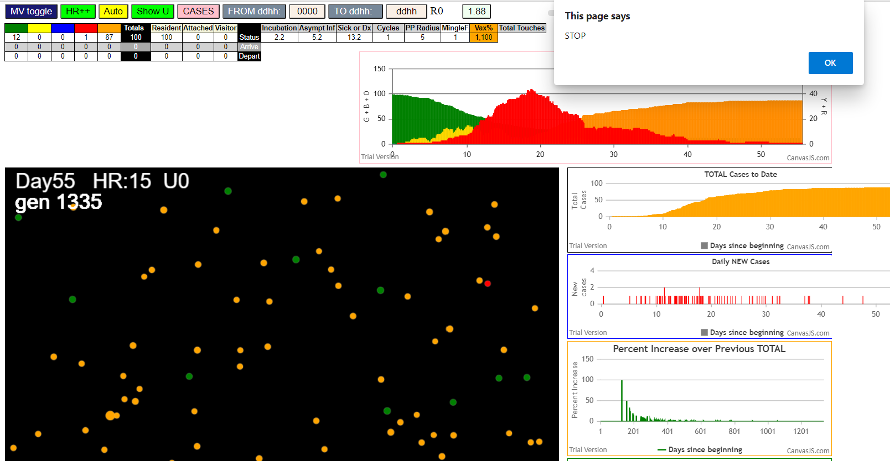

simulationRev2Vax.js:833 Mon Jan 04 2021 13:08:23 GMT-0800 (Pacific Standard Time)
simulationRev2Vax.js:834 CovidSIMVL Mode1 and Mod2 Moderna
simulationRev2Vax.js:4303 exit covidSim
simulationRev2Vax.js:23 getAsText File {name: "HundredAgentsU0mF1.csv", lastModified: 1608077990000, lastModifiedDate: Tue Dec 15 2020 16:19:50 GMT-0800 (Pacific Standard Time), webkitRelativePath: "", size: 2140, …}
simulationRev2Vax.js:32 File {name: "HundredAgentsU0mF1.csv", lastModified: 1608077990000, lastModifiedDate: Tue Dec 15 2020 16:19:50 GMT-0800 (Pacific Standard Time), webkitRelativePath: "", size: 2140, …}
simulationRev2Vax.js:23 getAsText File {name: "VL1.csv", lastModified: 1608081530000, lastModifiedDate: Tue Dec 15 2020 17:18:50 GMT-0800 (Pacific Standard Time), webkitRelativePath: "", size: 65, …}
simulationRev2Vax.js:32 File {name: "VL1.csv", lastModified: 1608081530000, lastModifiedDate: Tue Dec 15 2020 17:18:50 GMT-0800 (Pacific Standard Time), webkitRelativePath: "", size: 65, …}
simulationRev2Vax.js:1664 Mode 2,100 modified
simulationRev2Vax.js:1680 (100) [0, 1, 2, 3, 4, 5, 6, 7, 8, 9, 10, 11, 12, 13, 14, 15, 16, 17, 18, 19, 20, 21, 22, 23, 24, 25, 26, 27, 28, 29, 30, 31, 32, 33, 34, 35, 36, 37, 38, 39, 40, 41, 42, 43, 44, 45, 46, 47, 48, 49, 50, 51, 52, 53, 54, 55, 56, 57, 58, 59, 60, 61, 62, 63, 64, 65, 66, 67, 68, 69, 70, 71, 72, 73, 74, 75, 76, 77, 78, 79, 80, 81, 82, 83, 84, 85, 86, 87, 88, 89, 90, 91, 92, 93, 94, 95, 96, 97, 98, 99]
simulationRev2Vax.js:1690 (99) [0, 1, 2, 3, 4, 6, 7, 8, 9, 10, 11, 12, 13, 14, 15, 16, 17, 18, 19, 20, 21, 22, 23, 24, 25, 26, 27, 28, 29, 30, 31, 32, 33, 34, 35, 36, 37, 38, 39, 40, 41, 42, 43, 44, 45, 46, 47, 48, 49, 50, 51, 52, 53, 54, 55, 56, 57, 58, 59, 60, 61, 62, 63, 64, 65, 66, 67, 68, 69, 70, 71, 72, 73, 74, 75, 76, 77, 78, 79, 80, 81, 82, 83, 84, 85, 86, 87, 88, 89, 90, 91, 92, 93, 94, 95, 96, 97, 98, 99]
simulationRev2Vax.js:1718 Vaccination list = 99
simulationRev2Vax.js:1732 vaccinated 43,6,3,96,30,89,36,87,60,49,0,71,11,4,79,74,14,15,32,76,35,68,40,7,61,34,50,58,26,81,98,73,63,31,83,12,48,53,59,95,10,56,13,75,21,92,69,55,70,93,77,42,45,65,46,1,86,82,20,8,24,54,25,23,27,90,33,9,84,39,99,19,17,72,18,62,47,91,64,51,41,94,29,16,66,38,37,67,44,80,52,2,97,85,28,78,88,57,22
simulationRev2Vax.js:2138 1I j:famKey 85:-1 infected by blue i:famKey 5:-1 at gen 8 in Univ0 prob=0.535
simulationRev2Vax.js:2138 2I j:famKey 68:-1 infected by blue i:famKey 5:-1 at gen 19 in Univ0 prob=0.864
simulationRev2Vax.js:2155 3I i:famKey 33:-1 infected by blue j:famKey 85:-1 at gen 81 in U0 prob=0.654
simulationRev2Vax.js:2155 4I i:famKey 28:-1 infected by blue j:famKey 85:-1 at gen 86 in U0 prob=0.516
simulationRev2Vax.js:2138 5I j:famKey 90:-1 infected by blue i:famKey 68:-1 at gen 93 in Univ0 prob=0.410
simulationRev2Vax.js:2155 6I i:famKey 58:-1 infected by blue j:famKey 85:-1 at gen 95 in U0 prob=0.483
simulationRev2Vax.js:2138 7I j:famKey 55:-1 infected by red i:famKey 5:-1 at gen 125 in Univ0 prob=0.815
simulationRev2Vax.js:2155 8I i:famKey 63:-1 infected by blue j:famKey 68:-1 at gen 130 in U0 prob=0.587
simulationRev2Vax.js:2138 9I j:famKey 75:-1 infected by yellow i:famKey 63:-1 at gen 133 in Univ0 prob=0.850
simulationRev2Vax.js:2155 10I i:famKey 0:-1 infected by red j:famKey 85:-1 at gen 166 in U0 prob=0.244
simulationRev2Vax.js:2138 11I j:famKey 73:-1 infected by blue i:famKey 58:-1 at gen 170 in Univ0 prob=0.995
simulationRev2Vax.js:2155 11I i:famKey 7:-1 infected by blue j:famKey 33:-1 at gen 171 in U0 prob=0.423
simulationRev2Vax.js:2138 12I j:famKey 44:-1 infected by yellow i:famKey 0:-1 at gen 172 in Univ0 prob=0.082
simulationRev2Vax.js:2155 12I i:famKey 40:-1 infected by red j:famKey 85:-1 at gen 172 in U0 prob=0.354
simulationRev2Vax.js:2138 15I j:famKey 86:-1 infected by red i:famKey 5:-1 at gen 174 in Univ0 prob=0.524
simulationRev2Vax.js:2155 16I i:famKey 9:-1 infected by blue j:famKey 63:-1 at gen 202 in U0 prob=0.631
simulationRev2Vax.js:2155 17I i:famKey 46:-1 infected by blue j:famKey 55:-1 at gen 206 in U0 prob=0.919
simulationRev2Vax.js:2138 18I j:famKey 80:-1 infected by red i:famKey 33:-1 at gen 209 in Univ0 prob=0.574
simulationRev2Vax.js:2155 19I i:famKey 11:-1 infected by red j:famKey 28:-1 at gen 213 in U0 prob=0.196
simulationRev2Vax.js:2155 20I i:famKey 29:-1 infected by blue j:famKey 63:-1 at gen 229 in U0 prob=0.009
simulationRev2Vax.js:2155 21I i:famKey 18:-1 infected by red j:famKey 90:-1 at gen 240 in U0 prob=0.527
simulationRev2Vax.js:2155 22I i:famKey 3:-1 infected by red j:famKey 63:-1 at gen 243 in U0 prob=0.459
simulationRev2Vax.js:2138 23I j:famKey 13:-1 infected by blue i:famKey 7:-1 at gen 250 in Univ0 prob=0.015
simulationRev2Vax.js:2138 24I j:famKey 65:-1 infected by blue i:famKey 9:-1 at gen 258 in Univ0 prob=0.314
simulationRev2Vax.js:2138 24I j:famKey 45:-1 infected by red i:famKey 28:-1 at gen 258 in Univ0 prob=0.354
simulationRev2Vax.js:2155 24I i:famKey 76:-1 infected by red j:famKey 85:-1 at gen 258 in U0 prob=0.135
simulationRev2Vax.js:2155 27I i:famKey 53:-1 infected by blue j:famKey 73:-1 at gen 267 in U0 prob=0.399
simulationRev2Vax.js:2138 28I j:famKey 74:-1 infected by blue i:famKey 44:-1 at gen 270 in Univ0 prob=0.536
simulationRev2Vax.js:2155 29I i:famKey 57:-1 infected by blue j:famKey 73:-1 at gen 272 in U0 prob=0.030
simulationRev2Vax.js:2155 29I i:famKey 6:-1 infected by blue j:famKey 73:-1 at gen 273 in U0 prob=0.948
simulationRev2Vax.js:2155 31I i:famKey 37:-1 infected by red j:famKey 68:-1 at gen 283 in U0 prob=0.423
simulationRev2Vax.js:2138 32I j:famKey 83:-1 infected by blue i:famKey 9:-1 at gen 292 in Univ0 prob=0.833
simulationRev2Vax.js:2138 32I j:famKey 87:-1 infected by blue i:famKey 9:-1 at gen 293 in Univ0 prob=0.657
simulationRev2Vax.js:2138 34I j:famKey 25:-1 infected by red i:famKey 7:-1 at gen 298 in Univ0 prob=0.820
simulationRev2Vax.js:2138 35I j:famKey 93:-1 infected by red i:famKey 33:-1 at gen 301 in Univ0 prob=0.794
simulationRev2Vax.js:2138 36I j:famKey 50:-1 infected by red i:famKey 0:-1 at gen 303 in Univ0 prob=0.918
simulationRev2Vax.js:2155 37I i:famKey 71:-1 infected by red j:famKey 73:-1 at gen 306 in U0 prob=0.173
simulationRev2Vax.js:2138 38I j:famKey 97:-1 infected by red i:famKey 9:-1 at gen 329 in Univ0 prob=0.202
simulationRev2Vax.js:2155 39I i:famKey 60:-1 infected by red j:famKey 63:-1 at gen 333 in U0 prob=0.416
simulationRev2Vax.js:2138 40I j:famKey 20:-1 infected by blue i:famKey 13:-1 at gen 349 in Univ0 prob=0.957
simulationRev2Vax.js:2155 41I i:famKey 22:-1 infected by blue j:famKey 37:-1 at gen 390 in U0 prob=0.777
simulationRev2Vax.js:2155 42I i:famKey 77:-1 infected by red j:famKey 80:-1 at gen 392 in U0 prob=0.778
simulationRev2Vax.js:2155 43I i:famKey 21:-1 infected by blue j:famKey 60:-1 at gen 408 in U0 prob=0.936
simulationRev2Vax.js:2138 44I j:famKey 96:-1 infected by red i:famKey 93:-1 at gen 443 in Univ0 prob=0.904
simulationRev2Vax.js:2138 45I j:famKey 91:-1 infected by red i:famKey 37:-1 at gen 450 in Univ0 prob=0.761
simulationRev2Vax.js:2138 45I j:famKey 62:-1 infected by red i:famKey 7:-1 at gen 451 in Univ0 prob=0.834
simulationRev2Vax.js:2138 47I j:famKey 99:-1 infected by red i:famKey 3:-1 at gen 453 in Univ0 prob=0.961
simulationRev2Vax.js:2138 48I j:famKey 69:-1 infected by red i:famKey 7:-1 at gen 455 in Univ0 prob=0.915
simulationRev2Vax.js:2138 49I j:famKey 67:-1 infected by red i:famKey 13:-1 at gen 473 in Univ0 prob=0.867
simulationRev2Vax.js:2155 50I i:famKey 23:-1 infected by red j:famKey 93:-1 at gen 499 in U0 prob=0.879
simulationRev2Vax.js:2155 51I i:famKey 39:-1 infected by red j:famKey 93:-1 at gen 516 in U0 prob=0.788
simulationRev2Vax.js:2155 52I i:famKey 1:-1 infected by red j:famKey 25:-1 at gen 523 in U0 prob=0.990
simulationRev2Vax.js:2138 53I j:famKey 79:-1 infected by red i:famKey 60:-1 at gen 534 in Univ0 prob=0.934
simulationRev2Vax.js:2155 54I i:famKey 10:-1 infected by red j:famKey 53:-1 at gen 537 in U0 prob=0.844
simulationRev2Vax.js:2155 55I i:famKey 72:-1 infected by blue j:famKey 99:-1 at gen 539 in U0 prob=0.865
simulationRev2Vax.js:2155 56I i:famKey 15:-1 infected by blue j:famKey 62:-1 at gen 549 in U0 prob=0.799
simulationRev2Vax.js:2155 57I i:famKey 12:-1 infected by red j:famKey 93:-1 at gen 551 in U0 prob=0.769
simulationRev2Vax.js:2155 58I i:famKey 2:-1 infected by blue j:famKey 67:-1 at gen 581 in U0 prob=0.932
simulationRev2Vax.js:2155 59I i:famKey 24:-1 infected by red j:famKey 91:-1 at gen 589 in U0 prob=0.796
simulationRev2Vax.js:2155 60I i:famKey 78:-1 infected by red j:famKey 99:-1 at gen 595 in U0 prob=0.829
simulationRev2Vax.js:2138 61I j:famKey 70:-1 infected by blue i:famKey 15:-1 at gen 609 in Univ0 prob=0.856
simulationRev2Vax.js:2138 61I j:famKey 81:-1 infected by blue i:famKey 15:-1 at gen 609 in Univ0 prob=0.930
simulationRev2Vax.js:2138 63I j:famKey 61:-1 infected by blue i:famKey 15:-1 at gen 623 in Univ0 prob=0.933
simulationRev2Vax.js:2155 64I i:famKey 56:-1 infected by red j:famKey 99:-1 at gen 629 in U0 prob=0.780
simulationRev2Vax.js:2138 65I j:famKey 82:-1 infected by blue i:famKey 79:-1 at gen 639 in Univ0 prob=0.797
simulationRev2Vax.js:2138 66I j:famKey 88:-1 infected by red i:famKey 1:-1 at gen 642 in Univ0 prob=0.886
simulationRev2Vax.js:2138 67I j:famKey 94:-1 infected by blue i:famKey 79:-1 at gen 653 in Univ0 prob=0.902
simulationRev2Vax.js:2138 68I j:famKey 36:-1 infected by blue i:famKey 2:-1 at gen 655 in Univ0 prob=0.955
simulationRev2Vax.js:2138 69I j:famKey 30:-1 infected by red i:famKey 22:-1 at gen 672 in Univ0 prob=0.912
simulationRev2Vax.js:2138 70I j:famKey 84:-1 infected by red i:famKey 10:-1 at gen 677 in Univ0 prob=0.938
simulationRev2Vax.js:2138 71I j:famKey 52:-1 infected by blue i:famKey 2:-1 at gen 682 in Univ0 prob=0.807
simulationRev2Vax.js:2138 72I j:famKey 92:-1 infected by red i:famKey 21:-1 at gen 684 in Univ0 prob=0.995
simulationRev2Vax.js:2155 72I i:famKey 59:-1 infected by red j:famKey 96:-1 at gen 684 in U0 prob=0.809
simulationRev2Vax.js:2155 74I i:famKey 17:-1 infected by red j:famKey 39:-1 at gen 717 in U0 prob=0.990
simulationRev2Vax.js:2138 75I j:famKey 64:-1 infected by red i:famKey 10:-1 at gen 742 in Univ0 prob=0.986
simulationRev2Vax.js:2155 76I i:famKey 35:-1 infected by blue j:famKey 92:-1 at gen 757 in U0 prob=0.984
simulationRev2Vax.js:2155 77I i:famKey 41:-1 infected by red j:famKey 72:-1 at gen 782 in U0 prob=0.994

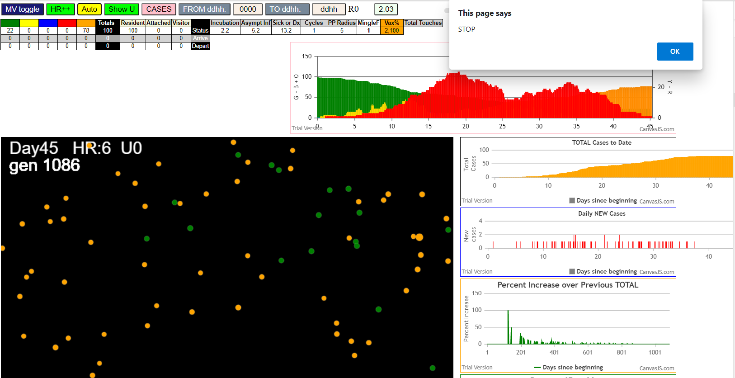

simulationRev2Vax.js:833 Mon Jan 04 2021 13:15:08 GMT-0800 (Pacific Standard Time)
simulationRev2Vax.js:834 CovidSIMVL Mode1 and Mod2 Moderna
simulationRev2Vax.js:4303 exit covidSim
simulationRev2Vax.js:23 getAsText File {name: "HundredAgentsU0mF1.csv", lastModified: 1608077990000, lastModifiedDate: Tue Dec 15 2020 16:19:50 GMT-0800 (Pacific Standard Time), webkitRelativePath: "", size: 2140, …}
simulationRev2Vax.js:32 File {name: "HundredAgentsU0mF1.csv", lastModified: 1608077990000, lastModifiedDate: Tue Dec 15 2020 16:19:50 GMT-0800 (Pacific Standard Time), webkitRelativePath: "", size: 2140, …}
simulationRev2Vax.js:23 getAsText File {name: "VL1.csv", lastModified: 1608081530000, lastModifiedDate: Tue Dec 15 2020 17:18:50 GMT-0800 (Pacific Standard Time), webkitRelativePath: "", size: 65, …}
simulationRev2Vax.js:32 File {name: "VL1.csv", lastModified: 1608081530000, lastModifiedDate: Tue Dec 15 2020 17:18:50 GMT-0800 (Pacific Standard Time), webkitRelativePath: "", size: 65, …}
simulationRev2Vax.js:1642 New Hazard Radius = 4.5
simulationRev2Vax.js:1664 Mode 1,100 modified
simulationRev2Vax.js:1680 []
simulationRev2Vax.js:1690 []
simulationRev2Vax.js:1718 Vaccination list = 0
simulationRev2Vax.js:1664 Mode 1,100 modified
simulationRev2Vax.js:1680 (100) [0, 1, 2, 3, 4, 5, 6, 7, 8, 9, 10, 11, 12, 13, 14, 15, 16, 17, 18, 19, 20, 21, 22, 23, 24, 25, 26, 27, 28, 29, 30, 31, 32, 33, 34, 35, 36, 37, 38, 39, 40, 41, 42, 43, 44, 45, 46, 47, 48, 49, 50, 51, 52, 53, 54, 55, 56, 57, 58, 59, 60, 61, 62, 63, 64, 65, 66, 67, 68, 69, 70, 71, 72, 73, 74, 75, 76, 77, 78, 79, 80, 81, 82, 83, 84, 85, 86, 87, 88, 89, 90, 91, 92, 93, 94, 95, 96, 97, 98, 99]
simulationRev2Vax.js:1690 (99) [0, 1, 2, 3, 4, 6, 7, 8, 9, 10, 11, 12, 13, 14, 15, 16, 17, 18, 19, 20, 21, 22, 23, 24, 25, 26, 27, 28, 29, 30, 31, 32, 33, 34, 35, 36, 37, 38, 39, 40, 41, 42, 43, 44, 45, 46, 47, 48, 49, 50, 51, 52, 53, 54, 55, 56, 57, 58, 59, 60, 61, 62, 63, 64, 65, 66, 67, 68, 69, 70, 71, 72, 73, 74, 75, 76, 77, 78, 79, 80, 81, 82, 83, 84, 85, 86, 87, 88, 89, 90, 91, 92, 93, 94, 95, 96, 97, 98, 99]
simulationRev2Vax.js:1718 Vaccination list = 99
simulationRev2Vax.js:1732 vaccinated 89,20,83,7,14,37,43,39,74,93,99,80,51,9,96,18,60,66,4,13,57,56,1,76,65,38,61,17,54,98,55,27,85,31,72,40,15,68,19,79,71,84,92,69,78,64,63,87,42,94,67,23,77,26,70,97,32,59,50,62,12,33,34,2,53,52,24,22,88,8,49,46,0,90,10,82,48,35,28,25,81,41,3,11,29,45,58,6,91,86,73,75,44,47,36,21,16,95,30
simulationRev2Vax.js:2138 1I j:famKey 33:-1 infected by red i:famKey 5:-1 at gen 19 in Univ0 prob=0.092
simulationRev2Vax.js:2138 1I j:famKey 80:-1 infected by red i:famKey 5:-1 at gen 20 in Univ0 prob=0.985
simulationRev2Vax.js:2138 3I j:famKey 90:-1 infected by red i:famKey 5:-1 at gen 42 in Univ0 prob=0.545
simulationRev2Vax.js:2138 4I j:famKey 29:-1 infected by red i:famKey 5:-1 at gen 47 in Univ0 prob=0.065
simulationRev2Vax.js:2138 5I j:famKey 99:-1 infected by red i:famKey 5:-1 at gen 55 in Univ0 prob=0.888
simulationRev2Vax.js:2138 6I j:famKey 63:-1 infected by red i:famKey 5:-1 at gen 59 in Univ0 prob=0.252
simulationRev2Vax.js:2155 7I i:famKey 58:-1 infected by blue j:famKey 80:-1 at gen 106 in U0 prob=0.860
simulationRev2Vax.js:2155 8I i:famKey 51:-1 infected by blue j:famKey 99:-1 at gen 117 in U0 prob=0.448
simulationRev2Vax.js:2138 9I j:famKey 83:-1 infected by blue i:famKey 29:-1 at gen 139 in Univ0 prob=0.651
simulationRev2Vax.js:2155 9I i:famKey 48:-1 infected by red j:famKey 80:-1 at gen 139 in U0 prob=0.483
simulationRev2Vax.js:2155 11I i:famKey 85:-1 infected by blue j:famKey 90:-1 at gen 145 in U0 prob=0.238
simulationRev2Vax.js:2155 12I i:famKey 26:-1 infected by red j:famKey 80:-1 at gen 159 in U0 prob=0.134
simulationRev2Vax.js:2155 13I i:famKey 0:-1 infected by red j:famKey 5:-1 at gen 161 in U0 prob=0.587
simulationRev2Vax.js:2155 13I i:famKey 17:-1 infected by red j:famKey 80:-1 at gen 162 in U0 prob=0.245
simulationRev2Vax.js:2155 15I i:famKey 86:-1 infected by blue j:famKey 99:-1 at gen 164 in U0 prob=0.428
simulationRev2Vax.js:2138 15I j:famKey 65:-1 infected by blue i:famKey 29:-1 at gen 165 in Univ0 prob=0.654
simulationRev2Vax.js:2138 17I j:famKey 52:-1 infected by red i:famKey 33:-1 at gen 171 in Univ0 prob=0.295
simulationRev2Vax.js:2155 18I i:famKey 47:-1 infected by blue j:famKey 51:-1 at gen 189 in U0 prob=0.065
simulationRev2Vax.js:2138 19I j:famKey 82:-1 infected by red i:famKey 80:-1 at gen 206 in Univ0 prob=0.151
simulationRev2Vax.js:2155 20I i:famKey 43:-1 infected by blue j:famKey 58:-1 at gen 210 in U0 prob=0.264
simulationRev2Vax.js:2155 21I i:famKey 20:-1 infected by red j:famKey 90:-1 at gen 212 in U0 prob=0.050
simulationRev2Vax.js:2138 22I j:famKey 94:-1 infected by blue i:famKey 48:-1 at gen 215 in Univ0 prob=0.997
simulationRev2Vax.js:2155 23I i:famKey 4:-1 infected by red j:famKey 80:-1 at gen 221 in U0 prob=0.227
simulationRev2Vax.js:2155 24I i:famKey 77:-1 infected by blue j:famKey 86:-1 at gen 238 in U0 prob=0.655
simulationRev2Vax.js:2155 25I i:famKey 12:-1 infected by blue j:famKey 83:-1 at gen 250 in U0 prob=0.928
simulationRev2Vax.js:2138 26I j:famKey 92:-1 infected by red i:famKey 63:-1 at gen 262 in Univ0 prob=0.880
simulationRev2Vax.js:2155 27I i:famKey 24:-1 infected by blue j:famKey 26:-1 at gen 264 in U0 prob=0.279
simulationRev2Vax.js:2155 28I i:famKey 2:-1 infected by blue j:famKey 86:-1 at gen 278 in U0 prob=0.229
simulationRev2Vax.js:2155 29I i:famKey 35:-1 infected by red j:famKey 80:-1 at gen 284 in U0 prob=0.384
simulationRev2Vax.js:2155 30I i:famKey 41:-1 infected by red j:famKey 90:-1 at gen 288 in U0 prob=0.373
simulationRev2Vax.js:2138 31I j:famKey 30:-1 infected by red i:famKey 26:-1 at gen 290 in Univ0 prob=0.879
simulationRev2Vax.js:2155 32I i:famKey 45:-1 infected by red j:famKey 83:-1 at gen 300 in U0 prob=0.223
simulationRev2Vax.js:2138 32I j:famKey 60:-1 infected by red i:famKey 58:-1 at gen 301 in Univ0 prob=0.666
simulationRev2Vax.js:2155 34I i:famKey 13:-1 infected by red j:famKey 83:-1 at gen 303 in U0 prob=0.607
simulationRev2Vax.js:2155 35I i:famKey 28:-1 infected by red j:famKey 86:-1 at gen 305 in U0 prob=0.694
simulationRev2Vax.js:2138 36I j:famKey 87:-1 infected by red i:famKey 51:-1 at gen 308 in Univ0 prob=0.207
simulationRev2Vax.js:2138 37I j:famKey 96:-1 infected by blue i:famKey 43:-1 at gen 315 in Univ0 prob=0.053
simulationRev2Vax.js:2155 38I i:famKey 79:-1 infected by blue j:famKey 82:-1 at gen 318 in U0 prob=0.207
simulationRev2Vax.js:2138 39I j:famKey 84:-1 infected by red i:famKey 47:-1 at gen 325 in Univ0 prob=0.476
simulationRev2Vax.js:2138 40I j:famKey 97:-1 infected by red i:famKey 63:-1 at gen 330 in Univ0 prob=0.700
simulationRev2Vax.js:2155 41I i:famKey 8:-1 infected by red j:famKey 82:-1 at gen 333 in U0 prob=0.056
simulationRev2Vax.js:2138 42I j:famKey 62:-1 infected by red i:famKey 26:-1 at gen 355 in Univ0 prob=0.895
simulationRev2Vax.js:2138 43I j:famKey 3:-1 infected by blue i:famKey 2:-1 at gen 360 in Univ0 prob=0.868
simulationRev2Vax.js:2138 44I j:famKey 25:-1 infected by red i:famKey 17:-1 at gen 397 in Univ0 prob=0.839
simulationRev2Vax.js:2138 45I j:famKey 75:-1 infected by red i:famKey 30:-1 at gen 442 in Univ0 prob=0.965
simulationRev2Vax.js:2138 46I j:famKey 6:-1 infected by red i:famKey 2:-1 at gen 471 in Univ0 prob=0.925
simulationRev2Vax.js:2138 47I j:famKey 95:-1 infected by red i:famKey 8:-1 at gen 492 in Univ0 prob=0.916
simulationRev2Vax.js:2155 48I i:famKey 78:-1 infected by red j:famKey 79:-1 at gen 504 in U0 prob=0.881
simulationRev2Vax.js:2138 49I j:famKey 61:-1 infected by red i:famKey 8:-1 at gen 507 in Univ0 prob=0.829
simulationRev2Vax.js:2138 50I j:famKey 73:-1 infected by red i:famKey 2:-1 at gen 532 in Univ0 prob=0.956
simulationRev2Vax.js:2138 51I j:famKey 98:-1 infected by red i:famKey 79:-1 at gen 535 in Univ0 prob=0.854
simulationRev2Vax.js:2138 52I j:famKey 55:-1 infected by red i:famKey 8:-1 at gen 545 in Univ0 prob=0.872
simulationRev2Vax.js:2138 52I j:famKey 53:-1 infected by red i:famKey 24:-1 at gen 545 in Univ0 prob=0.935
simulationRev2Vax.js:2138 54I j:famKey 81:-1 infected by red i:famKey 62:-1 at gen 560 in Univ0 prob=0.838
simulationRev2Vax.js:2155 55I i:famKey 21:-1 infected by red j:famKey 79:-1 at gen 569 in U0 prob=0.998
simulationRev2Vax.js:2155 56I i:famKey 46:-1 infected by red j:famKey 98:-1 at gen 684 in U0 prob=0.915
simulationRev2Vax.js:2155 57I i:famKey 42:-1 infected by red j:famKey 95:-1 at gen 696 in U0 prob=0.976
simulationRev2Vax.js:2155 58I i:famKey 16:-1 infected by red j:famKey 95:-1 at gen 702 in U0 prob=0.821
simulationRev2Vax.js:2138 59I j:famKey 50:-1 infected by red i:famKey 6:-1 at gen 736 in Univ0 prob=0.429
simulationRev2Vax.js:2155 60I i:famKey 1:-1 infected by blue j:famKey 46:-1 at gen 744 in U0 prob=0.324
simulationRev2Vax.js:2155 61I i:famKey 64:-1 infected by red j:famKey 73:-1 at gen 747 in U0 prob=0.863
simulationRev2Vax.js:2155 62I i:famKey 10:-1 infected by red j:famKey 81:-1 at gen 749 in U0 prob=0.155
simulationRev2Vax.js:2138 63I j:famKey 56:-1 infected by red i:famKey 6:-1 at gen 754 in Univ0 prob=0.585
simulationRev2Vax.js:2155 64I i:famKey 36:-1 infected by red j:famKey 98:-1 at gen 763 in U0 prob=0.570
simulationRev2Vax.js:2138 64I j:famKey 9:-1 infected by yellow i:famKey 1:-1 at gen 764 in Univ0 prob=0.456
simulationRev2Vax.js:2138 66I j:famKey 68:-1 infected by blue i:famKey 42:-1 at gen 772 in Univ0 prob=0.314
simulationRev2Vax.js:2138 67I j:famKey 31:-1 infected by red i:famKey 21:-1 at gen 776 in Univ0 prob=0.795
simulationRev2Vax.js:2155 68I i:famKey 59:-1 infected by red j:famKey 98:-1 at gen 780 in U0 prob=0.603
simulationRev2Vax.js:2155 69I i:famKey 14:-1 infected by red j:famKey 98:-1 at gen 789 in U0 prob=0.635
simulationRev2Vax.js:2138 70I j:famKey 74:-1 infected by blue i:famKey 1:-1 at gen 800 in Univ0 prob=0.568
simulationRev2Vax.js:2155 71I i:famKey 23:-1 infected by red j:famKey 98:-1 at gen 811 in U0 prob=0.736
simulationRev2Vax.js:2138 72I j:famKey 88:-1 infected by blue i:famKey 1:-1 at gen 824 in Univ0 prob=0.816
simulationRev2Vax.js:2155 73I i:famKey 18:-1 infected by blue j:famKey 31:-1 at gen 833 in U0 prob=0.702
simulationRev2Vax.js:2155 74I i:famKey 15:-1 infected by red j:famKey 21:-1 at gen 851 in U0 prob=0.966
simulationRev2Vax.js:2138 75I j:famKey 67:-1 infected by blue i:famKey 59:-1 at gen 858 in Univ0 prob=0.145
simulationRev2Vax.js:2138 76I j:famKey 71:-1 infected by blue i:famKey 10:-1 at gen 868 in Univ0 prob=0.131
simulationRev2Vax.js:2155 77I i:famKey 40:-1 infected by blue j:famKey 68:-1 at gen 880 in U0 prob=0.160
simulationRev2Vax.js:2138 78I j:famKey 89:-1 infected by red i:famKey 36:-1 at gen 898 in Univ0 prob=0.442
simulationRev2Vax.js:2155 78I i:famKey 44:-1 infected by blue j:famKey 88:-1 at gen 899 in U0 prob=0.934
simulationRev2Vax.js:2155 80I i:famKey 27:-1 infected by red j:famKey 46:-1 at gen 921 in U0 prob=0.636
simulationRev2Vax.js:2138 81I j:famKey 49:-1 infected by red i:famKey 9:-1 at gen 940 in Univ0 prob=0.585
simulationRev2Vax.js:2138 82I j:famKey 54:-1 infected by red i:famKey 16:-1 at gen 951 in Univ0 prob=0.115
simulationRev2Vax.js:2138 83I j:famKey 32:-1 infected by red i:famKey 9:-1 at gen 983 in Univ0 prob=0.560
simulationRev2Vax.js:2155 84I i:famKey 7:-1 infected by red j:famKey 9:-1 at gen 985 in U0 prob=0.375
simulationRev2Vax.js:2138 85I j:famKey 70:-1 infected by red i:famKey 36:-1 at gen 1017 in Univ0 prob=0.190
simulationRev2Vax.js:2138 86I j:famKey 91:-1 infected by red i:famKey 9:-1 at gen 1033 in Univ0 prob=0.187
simulationRev2Vax.js:2155 87I i:famKey 19:-1 infected by red j:famKey 27:-1 at gen 1040 in U0 prob=0.137
simulationRev2Vax.js:2155 88I i:famKey 37:-1 infected by blue j:famKey 49:-1 at gen 1043 in U0 prob=0.304
simulationRev2Vax.js:2138 88I j:famKey 66:-1 infected by blue i:famKey 49:-1 at gen 1043 in Univ0 prob=0.145
simulationRev2Vax.js:2155 90I i:famKey 76:-1 infected by red j:famKey 89:-1 at gen 1046 in U0 prob=0.467
simulationRev2Vax.js:2138 91I j:famKey 39:-1 infected by red i:famKey 27:-1 at gen 1064 in Univ0 prob=0.036
simulationRev2Vax.js:2138 92I j:famKey 38:-1 infected by red i:famKey 14:-1 at gen 1077 in Univ0 prob=0.506
simulationRev2Vax.js:2138 93I j:famKey 72:-1 infected by red i:famKey 27:-1 at gen 1108 in Univ0 prob=0.403
simulationRev2Vax.js:2138 94I j:famKey 69:-1 infected by red i:famKey 7:-1 at gen 1119 in Univ0 prob=0.535
simulationRev2Vax.js:2155 95I i:famKey 34:-1 infected by blue j:famKey 72:-1 at gen 1205 in U0 prob=0.673
simulationRev2Vax.js:2138 96I j:famKey 93:-1 infected by red i:famKey 39:-1 at gen 1270 in Univ0 prob=0.485
simulationRev2Vax.js:2155 97I i:famKey 57:-1 infected by red j:famKey 93:-1 at gen 1414 in U0 prob=0.059

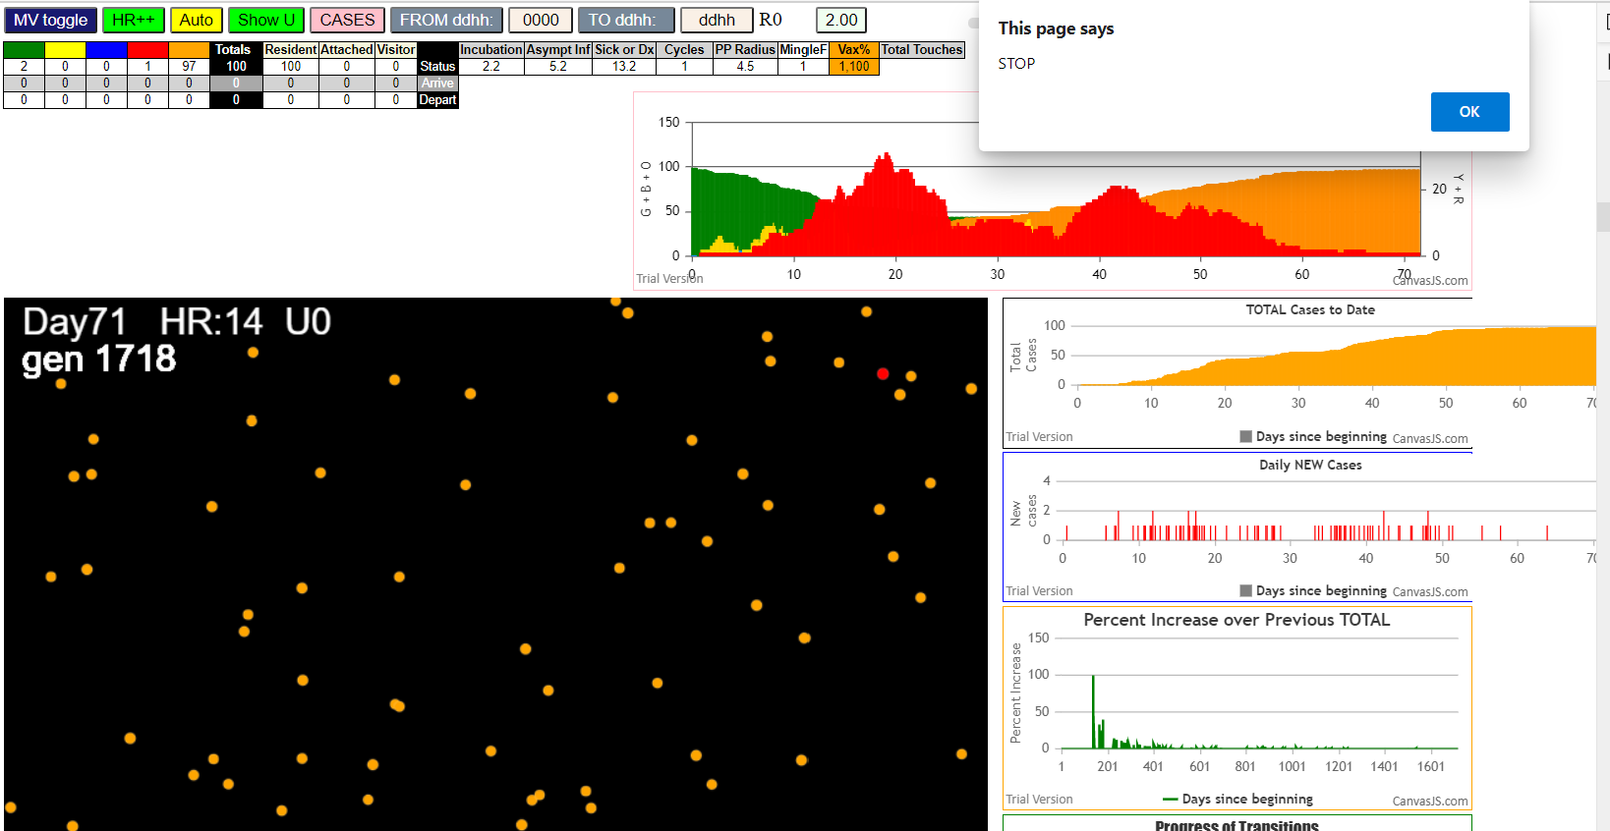

simulationRev2Vax.js:833 Mon Jan 04 2021 13:36:22 GMT-0800 (Pacific Standard Time)
simulationRev2Vax.js:834 CovidSIMVL Mode1 and Mod2 Moderna
simulationRev2Vax.js:4304 exit covidSim
simulationRev2Vax.js:23 getAsText File {name: "HundredAgentsU0mF1.csv", lastModified: 1608077990000, lastModifiedDate: Tue Dec 15 2020 16:19:50 GMT-0800 (Pacific Standard Time), webkitRelativePath: "", size: 2140, …}
simulationRev2Vax.js:32 File {name: "HundredAgentsU0mF1.csv", lastModified: 1608077990000, lastModifiedDate: Tue Dec 15 2020 16:19:50 GMT-0800 (Pacific Standard Time), webkitRelativePath: "", size: 2140, …}
simulationRev2Vax.js:23 getAsText File {name: "VL1.csv", lastModified: 1608081530000, lastModifiedDate: Tue Dec 15 2020 17:18:50 GMT-0800 (Pacific Standard Time), webkitRelativePath: "", size: 65, …}
simulationRev2Vax.js:32 File {name: "VL1.csv", lastModified: 1608081530000, lastModifiedDate: Tue Dec 15 2020 17:18:50 GMT-0800 (Pacific Standard Time), webkitRelativePath: "", size: 65, …}
simulationRev2Vax.js:1318 Case 5,5,3,3.6,4.2,A,5
simulationRev2Vax.js:1643 New Hazard Radius = 4.5
simulationRev2Vax.js:1665 Mode 2,100 modified
simulationRev2Vax.js:1681 (100) [0, 1, 2, 3, 4, 5, 6, 7, 8, 9, 10, 11, 12, 13, 14, 15, 16, 17, 18, 19, 20, 21, 22, 23, 24, 25, 26, 27, 28, 29, 30, 31, 32, 33, 34, 35, 36, 37, 38, 39, 40, 41, 42, 43, 44, 45, 46, 47, 48, 49, 50, 51, 52, 53, 54, 55, 56, 57, 58, 59, 60, 61, 62, 63, 64, 65, 66, 67, 68, 69, 70, 71, 72, 73, 74, 75, 76, 77, 78, 79, 80, 81, 82, 83, 84, 85, 86, 87, 88, 89, 90, 91, 92, 93, 94, 95, 96, 97, 98, 99]
simulationRev2Vax.js:1691 (99) [0, 1, 2, 3, 4, 6, 7, 8, 9, 10, 11, 12, 13, 14, 15, 16, 17, 18, 19, 20, 21, 22, 23, 24, 25, 26, 27, 28, 29, 30, 31, 32, 33, 34, 35, 36, 37, 38, 39, 40, 41, 42, 43, 44, 45, 46, 47, 48, 49, 50, 51, 52, 53, 54, 55, 56, 57, 58, 59, 60, 61, 62, 63, 64, 65, 66, 67, 68, 69, 70, 71, 72, 73, 74, 75, 76, 77, 78, 79, 80, 81, 82, 83, 84, 85, 86, 87, 88, 89, 90, 91, 92, 93, 94, 95, 96, 97, 98, 99]
simulationRev2Vax.js:1719 Vaccination list = 99
simulationRev2Vax.js:1733 vaccinated 15,52,61,90,28,21,24,99,73,58,26,29,77,33,20,66,50,80,67,30,93,54,37,85,96,81,48,87,6,25,16,2,41,79,1,95,38,74,7,35,45,89,68,19,11,23,32,84,12,17,46,36,0,75,10,83,9,39,91,47,53,42,27,76,31,55,78,14,71,40,43,92,98,65,34,97,18,59,64,8,70,72,88,3,4,63,44,51,94,82,57,60,86,13,69,62,49,56,22
simulationRev2Vax.js:2139 1I j:famKey 68:-1 infected by red i:famKey 5:-1 at gen 35 in Univ0 prob=0.533
simulationRev2Vax.js:2139 2I j:famKey 66:-1 infected by red i:famKey 5:-1 at gen 48 in Univ0 prob=0.290
simulationRev2Vax.js:2139 3I j:famKey 7:-1 infected by red i:famKey 5:-1 at gen 54 in Univ0 prob=0.802
simulationRev2Vax.js:2156 4I i:famKey 34:-1 infected by yellow j:famKey 66:-1 at gen 97 in U0 prob=0.622
simulationRev2Vax.js:2139 5I j:famKey 23:-1 infected by red i:famKey 5:-1 at gen 108 in Univ0 prob=0.883
simulationRev2Vax.js:2139 6I j:famKey 25:-1 infected by red i:famKey 5:-1 at gen 117 in Univ0 prob=0.468
simulationRev2Vax.js:2139 7I j:famKey 92:-1 infected by blue i:famKey 66:-1 at gen 122 in Univ0 prob=0.845
simulationRev2Vax.js:2139 7I j:famKey 55:-1 infected by blue i:famKey 7:-1 at gen 123 in Univ0 prob=0.175
simulationRev2Vax.js:2139 9I j:famKey 61:-1 infected by blue i:famKey 7:-1 at gen 137 in Univ0 prob=0.285
simulationRev2Vax.js:2156 10I i:famKey 17:-1 infected by blue j:famKey 68:-1 at gen 150 in U0 prob=0.220
simulationRev2Vax.js:2156 11I i:famKey 57:-1 infected by red j:famKey 66:-1 at gen 179 in U0 prob=0.858
simulationRev2Vax.js:2139 12I j:famKey 50:-1 infected by blue i:famKey 34:-1 at gen 184 in Univ0 prob=0.878
simulationRev2Vax.js:2156 12I i:famKey 71:-1 infected by blue j:famKey 92:-1 at gen 184 in U0 prob=0.667
simulationRev2Vax.js:2139 12I j:famKey 44:-1 infected by red i:famKey 5:-1 at gen 185 in Univ0 prob=0.382
simulationRev2Vax.js:2139 15I j:famKey 76:-1 infected by blue i:famKey 55:-1 at gen 194 in Univ0 prob=0.111
simulationRev2Vax.js:2156 16I i:famKey 8:-1 infected by blue j:famKey 92:-1 at gen 198 in U0 prob=0.670
simulationRev2Vax.js:2156 17I i:famKey 27:-1 infected by blue j:famKey 55:-1 at gen 200 in U0 prob=0.758
simulationRev2Vax.js:2156 18I i:famKey 52:-1 infected by blue j:famKey 55:-1 at gen 207 in U0 prob=0.278
simulationRev2Vax.js:2139 19I j:famKey 88:-1 infected by blue i:famKey 25:-1 at gen 219 in Univ0 prob=0.496
simulationRev2Vax.js:2139 20I j:famKey 72:-1 infected by blue i:famKey 17:-1 at gen 244 in Univ0 prob=0.715
simulationRev2Vax.js:2139 20I j:famKey 90:-1 infected by red i:famKey 23:-1 at gen 244 in Univ0 prob=0.962
simulationRev2Vax.js:2139 22I j:famKey 45:-1 infected by yellow i:famKey 8:-1 at gen 246 in Univ0 prob=0.348
simulationRev2Vax.js:2156 23I i:famKey 36:-1 infected by red j:famKey 92:-1 at gen 258 in U0 prob=0.121
simulationRev2Vax.js:2139 24I j:famKey 84:-1 infected by red i:famKey 68:-1 at gen 263 in Univ0 prob=0.627
simulationRev2Vax.js:2139 24I j:famKey 62:-1 infected by red i:famKey 7:-1 at gen 264 in Univ0 prob=0.150
simulationRev2Vax.js:2156 26I i:famKey 24:-1 infected by blue j:famKey 50:-1 at gen 271 in U0 prob=0.232
simulationRev2Vax.js:2139 27I j:famKey 60:-1 infected by blue i:famKey 44:-1 at gen 284 in Univ0 prob=0.681
simulationRev2Vax.js:2139 27I j:famKey 69:-1 infected by red i:famKey 34:-1 at gen 285 in Univ0 prob=0.844
simulationRev2Vax.js:2156 29I i:famKey 49:-1 infected by red j:famKey 55:-1 at gen 307 in U0 prob=0.469
simulationRev2Vax.js:2156 30I i:famKey 15:-1 infected by red j:famKey 68:-1 at gen 323 in U0 prob=0.780
simulationRev2Vax.js:2156 31I i:famKey 12:-1 infected by red j:famKey 25:-1 at gen 327 in U0 prob=0.255
simulationRev2Vax.js:2156 32I i:famKey 6:-1 infected by red j:famKey 92:-1 at gen 334 in U0 prob=0.749
simulationRev2Vax.js:2139 32I j:famKey 53:-1 infected by red i:famKey 34:-1 at gen 334 in Univ0 prob=0.139
simulationRev2Vax.js:2139 34I j:famKey 98:-1 infected by blue i:famKey 24:-1 at gen 373 in Univ0 prob=0.884
simulationRev2Vax.js:2156 35I i:famKey 30:-1 infected by red j:famKey 69:-1 at gen 416 in U0 prob=0.975
simulationRev2Vax.js:2139 36I j:famKey 97:-1 infected by blue i:famKey 53:-1 at gen 433 in Univ0 prob=0.965
simulationRev2Vax.js:2139 37I j:famKey 63:-1 infected by red i:famKey 15:-1 at gen 451 in Univ0 prob=0.928
simulationRev2Vax.js:2156 38I i:famKey 46:-1 infected by red j:famKey 53:-1 at gen 468 in U0 prob=0.881
simulationRev2Vax.js:2156 39I i:famKey 11:-1 infected by blue j:famKey 97:-1 at gen 509 in U0 prob=0.913
simulationRev2Vax.js:2156 40I i:famKey 37:-1 infected by red j:famKey 98:-1 at gen 540 in U0 prob=0.951
simulationRev2Vax.js:2139 41I j:famKey 65:-1 infected by blue i:famKey 63:-1 at gen 551 in Univ0 prob=0.790
simulationRev2Vax.js:2156 42I i:famKey 20:-1 infected by blue j:famKey 46:-1 at gen 572 in U0 prob=0.994
simulationRev2Vax.js:2139 43I j:famKey 58:-1 infected by red i:famKey 12:-1 at gen 613 in Univ0 prob=0.850
simulationRev2Vax.js:2139 43I j:famKey 54:-1 infected by red i:famKey 53:-1 at gen 613 in Univ0 prob=0.778
simulationRev2Vax.js:2139 45I j:famKey 32:-1 infected by blue i:famKey 20:-1 at gen 648 in Univ0 prob=0.756
simulationRev2Vax.js:2156 46I i:famKey 51:-1 infected by red j:famKey 97:-1 at gen 663 in U0 prob=0.884
simulationRev2Vax.js:2139 46I j:famKey 89:-1 infected by red i:famKey 37:-1 at gen 664 in Univ0 prob=0.923
simulationRev2Vax.js:2139 48I j:famKey 48:-1 infected by red i:famKey 30:-1 at gen 676 in Univ0 prob=0.804
simulationRev2Vax.js:2156 49I i:famKey 2:-1 infected by red j:famKey 11:-1 at gen 775 in U0 prob=0.963
simulationRev2Vax.js:2139 50I j:famKey 73:-1 infected by red i:famKey 48:-1 at gen 807 in Univ0 prob=0.984
simulationRev2Vax.js:2139 51I j:famKey 78:-1 infected by red i:famKey 48:-1 at gen 943 in Univ0 prob=0.993

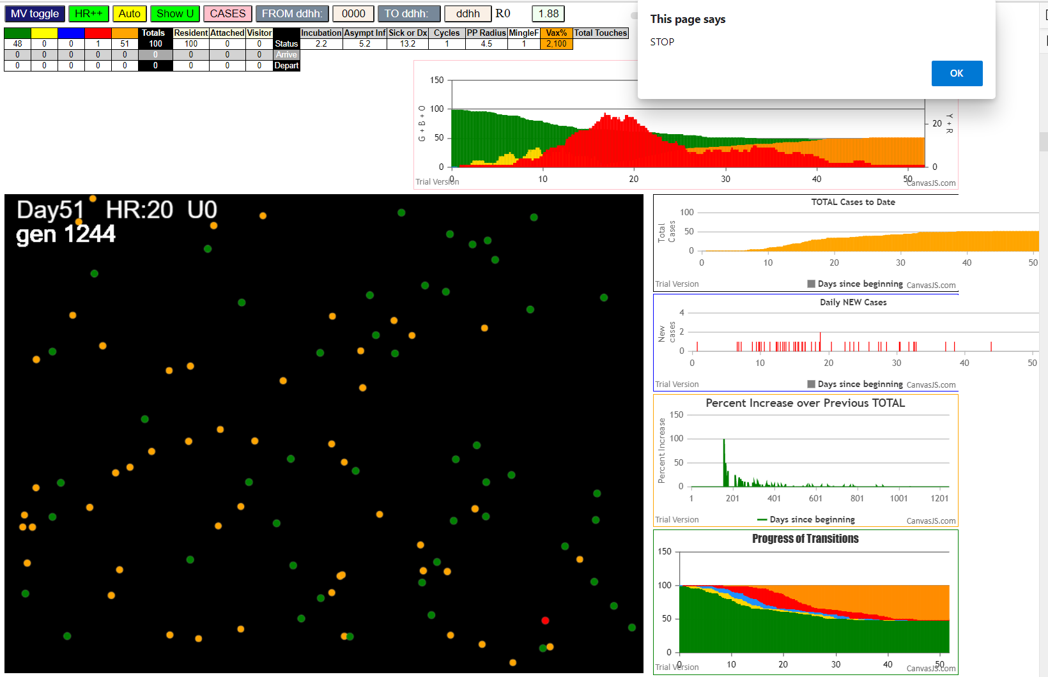

simulationRev2Vax.js:833 Mon Jan 04 2021 13:42:57 GMT-0800 (Pacific Standard Time)
simulationRev2Vax.js:834 CovidSIMVL Mode1 and Mod2 Moderna
simulationRev2Vax.js:4304 exit covidSim
simulationRev2Vax.js:23 getAsText File {name: "HundredAgentsU0mF1.csv", lastModified: 1608077990000, lastModifiedDate: Tue Dec 15 2020 16:19:50 GMT-0800 (Pacific Standard Time), webkitRelativePath: "", size: 2140, …}
simulationRev2Vax.js:32 File {name: "HundredAgentsU0mF1.csv", lastModified: 1608077990000, lastModifiedDate: Tue Dec 15 2020 16:19:50 GMT-0800 (Pacific Standard Time), webkitRelativePath: "", size: 2140, …}
simulationRev2Vax.js:23 getAsText File {name: "VL1.csv", lastModified: 1608081530000, lastModifiedDate: Tue Dec 15 2020 17:18:50 GMT-0800 (Pacific Standard Time), webkitRelativePath: "", size: 65, …}
simulationRev2Vax.js:32 File {name: "VL1.csv", lastModified: 1608081530000, lastModifiedDate: Tue Dec 15 2020 17:18:50 GMT-0800 (Pacific Standard Time), webkitRelativePath: "", size: 65, …}
simulationRev2Vax.js:1318 Case 5,5,3,3.6,4.2,A,5
simulationRev2Vax.js:1665 Mode 1,100 modified
simulationRev2Vax.js:1681 (100) [0, 1, 2, 3, 4, 5, 6, 7, 8, 9, 10, 11, 12, 13, 14, 15, 16, 17, 18, 19, 20, 21, 22, 23, 24, 25, 26, 27, 28, 29, 30, 31, 32, 33, 34, 35, 36, 37, 38, 39, 40, 41, 42, 43, 44, 45, 46, 47, 48, 49, 50, 51, 52, 53, 54, 55, 56, 57, 58, 59, 60, 61, 62, 63, 64, 65, 66, 67, 68, 69, 70, 71, 72, 73, 74, 75, 76, 77, 78, 79, 80, 81, 82, 83, 84, 85, 86, 87, 88, 89, 90, 91, 92, 93, 94, 95, 96, 97, 98, 99]
simulationRev2Vax.js:1691 (99) [0, 1, 2, 3, 4, 6, 7, 8, 9, 10, 11, 12, 13, 14, 15, 16, 17, 18, 19, 20, 21, 22, 23, 24, 25, 26, 27, 28, 29, 30, 31, 32, 33, 34, 35, 36, 37, 38, 39, 40, 41, 42, 43, 44, 45, 46, 47, 48, 49, 50, 51, 52, 53, 54, 55, 56, 57, 58, 59, 60, 61, 62, 63, 64, 65, 66, 67, 68, 69, 70, 71, 72, 73, 74, 75, 76, 77, 78, 79, 80, 81, 82, 83, 84, 85, 86, 87, 88, 89, 90, 91, 92, 93, 94, 95, 96, 97, 98, 99]
simulationRev2Vax.js:1719 Vaccination list = 99
simulationRev2Vax.js:1733 vaccinated 80,14,82,56,62,25,48,76,18,53,13,60,16,75,34,67,20,31,40,46,71,38,29,51,55,12,10,97,42,39,52,98,69,6,81,15,9,87,23,64,72,7,74,66,2,90,91,96,41,30,11,77,17,8,83,4,36,28,21,54,68,44,92,1,47,63,27,33,94,43,79,57,99,19,24,49,45,65,93,0,50,37,88,86,32,89,73,70,22,84,61,78,95,26,58,59,35,3,85
simulationRev2Vax.js:1643 New Hazard Radius = 4
simulationRev2Vax.js:2139 1I j:famKey 14:-1 infected by red i:famKey 5:-1 at gen 34 in Univ0 prob=0.651
simulationRev2Vax.js:2139 2I j:famKey 72:-1 infected by red i:famKey 5:-1 at gen 81 in Univ0 prob=0.583
simulationRev2Vax.js:2139 3I j:famKey 23:-1 infected by blue i:famKey 14:-1 at gen 90 in Univ0 prob=0.917
simulationRev2Vax.js:2139 4I j:famKey 34:-1 infected by red i:famKey 5:-1 at gen 98 in Univ0 prob=0.573
simulationRev2Vax.js:2139 5I j:famKey 65:-1 infected by red i:famKey 5:-1 at gen 103 in Univ0 prob=0.211
simulationRev2Vax.js:2139 6I j:famKey 68:-1 infected by red i:famKey 5:-1 at gen 114 in Univ0 prob=0.947
simulationRev2Vax.js:2156 7I i:famKey 53:-1 infected by blue j:famKey 72:-1 at gen 153 in U0 prob=0.807
simulationRev2Vax.js:2139 8I j:famKey 19:-1 infected by red i:famKey 14:-1 at gen 157 in Univ0 prob=0.159
simulationRev2Vax.js:2156 9I i:famKey 13:-1 infected by blue j:famKey 23:-1 at gen 162 in U0 prob=0.365
simulationRev2Vax.js:2139 10I j:famKey 56:-1 infected by blue i:famKey 23:-1 at gen 172 in Univ0 prob=0.790
simulationRev2Vax.js:2139 11I j:famKey 59:-1 infected by blue i:famKey 23:-1 at gen 175 in Univ0 prob=0.465
simulationRev2Vax.js:2156 12I i:famKey 8:-1 infected by blue j:famKey 34:-1 at gen 182 in U0 prob=0.488
simulationRev2Vax.js:2139 13I j:famKey 96:-1 infected by blue i:famKey 23:-1 at gen 198 in Univ0 prob=0.512
simulationRev2Vax.js:2139 14I j:famKey 74:-1 infected by blue i:famKey 65:-1 at gen 201 in Univ0 prob=0.090
simulationRev2Vax.js:2139 15I j:famKey 83:-1 infected by blue i:famKey 65:-1 at gen 205 in Univ0 prob=0.640
simulationRev2Vax.js:2139 16I j:famKey 84:-1 infected by blue i:famKey 68:-1 at gen 216 in Univ0 prob=0.370
simulationRev2Vax.js:2139 16I j:famKey 98:-1 infected by green i:famKey 84:-1 at gen 216 in Univ0 prob=0.177
simulationRev2Vax.js:2156 18I i:famKey 63:-1 infected by blue j:famKey 68:-1 at gen 218 in U0 prob=0.239
simulationRev2Vax.js:2156 19I i:famKey 61:-1 infected by red j:famKey 72:-1 at gen 222 in U0 prob=0.792
simulationRev2Vax.js:2156 19I i:famKey 37:-1 infected by yellow j:famKey 59:-1 at gen 223 in U0 prob=0.335
simulationRev2Vax.js:2156 21I i:famKey 67:-1 infected by red j:famKey 72:-1 at gen 229 in U0 prob=0.318
simulationRev2Vax.js:2156 22I i:famKey 25:-1 infected by blue j:famKey 56:-1 at gen 233 in U0 prob=0.028
simulationRev2Vax.js:2156 22I i:famKey 29:-1 infected by red j:famKey 72:-1 at gen 233 in U0 prob=0.279
simulationRev2Vax.js:2139 24I j:famKey 40:-1 infected by blue i:famKey 19:-1 at gen 245 in Univ0 prob=0.612
simulationRev2Vax.js:2156 25I i:famKey 1:-1 infected by blue j:famKey 59:-1 at gen 257 in U0 prob=0.148
simulationRev2Vax.js:2156 26I i:famKey 26:-1 infected by blue j:famKey 63:-1 at gen 291 in U0 prob=0.244
simulationRev2Vax.js:2139 27I j:famKey 97:-1 infected by blue i:famKey 74:-1 at gen 300 in Univ0 prob=0.836
simulationRev2Vax.js:2139 27I j:famKey 94:-1 infected by red i:famKey 56:-1 at gen 301 in Univ0 prob=0.419
simulationRev2Vax.js:2156 29I i:famKey 35:-1 infected by blue j:famKey 83:-1 at gen 307 in U0 prob=0.911
simulationRev2Vax.js:2156 29I i:famKey 44:-1 infected by red j:famKey 53:-1 at gen 307 in U0 prob=0.611
simulationRev2Vax.js:2156 31I i:famKey 9:-1 infected by blue j:famKey 40:-1 at gen 326 in U0 prob=0.472
simulationRev2Vax.js:2139 31I j:famKey 85:-1 infected by blue i:famKey 67:-1 at gen 326 in Univ0 prob=0.378
simulationRev2Vax.js:2156 33I i:famKey 4:-1 infected by red j:famKey 65:-1 at gen 330 in U0 prob=0.016
simulationRev2Vax.js:2156 34I i:famKey 16:-1 infected by blue j:famKey 29:-1 at gen 332 in U0 prob=0.861
simulationRev2Vax.js:2139 35I j:famKey 51:-1 infected by yellow i:famKey 9:-1 at gen 335 in Univ0 prob=0.174
simulationRev2Vax.js:2139 35I j:famKey 42:-1 infected by red i:famKey 23:-1 at gen 335 in Univ0 prob=0.240
simulationRev2Vax.js:2139 37I j:famKey 69:-1 infected by red i:famKey 56:-1 at gen 370 in Univ0 prob=0.945
simulationRev2Vax.js:2139 38I j:famKey 15:-1 infected by blue i:famKey 9:-1 at gen 380 in Univ0 prob=0.917
simulationRev2Vax.js:2139 39I j:famKey 70:-1 infected by blue i:famKey 51:-1 at gen 384 in Univ0 prob=0.970
simulationRev2Vax.js:2156 40I i:famKey 2:-1 infected by red j:famKey 94:-1 at gen 438 in U0 prob=0.876
simulationRev2Vax.js:2139 41I j:famKey 46:-1 infected by red i:famKey 1:-1 at gen 482 in Univ0 prob=0.927
simulationRev2Vax.js:2156 42I i:famKey 30:-1 infected by red j:famKey 61:-1 at gen 499 in U0 prob=0.811
simulationRev2Vax.js:2139 43I j:famKey 41:-1 infected by red i:famKey 1:-1 at gen 523 in Univ0 prob=0.917
simulationRev2Vax.js:2139 44I j:famKey 79:-1 infected by blue i:famKey 30:-1 at gen 555 in Univ0 prob=0.820
simulationRev2Vax.js:2139 45I j:famKey 90:-1 infected by red i:famKey 16:-1 at gen 562 in Univ0 prob=0.859
simulationRev2Vax.js:2139 46I j:famKey 36:-1 infected by red i:famKey 4:-1 at gen 580 in Univ0 prob=0.801
simulationRev2Vax.js:2139 47I j:famKey 81:-1 infected by red i:famKey 70:-1 at gen 603 in Univ0 prob=0.996
simulationRev2Vax.js:2139 48I j:famKey 39:-1 infected by red i:famKey 4:-1 at gen 612 in Univ0 prob=0.842
simulationRev2Vax.js:2156 49I i:famKey 20:-1 infected by red j:famKey 46:-1 at gen 644 in U0 prob=0.994
simulationRev2Vax.js:2139 50I j:famKey 78:-1 infected by red i:famKey 41:-1 at gen 671 in Univ0 prob=0.891
simulationRev2Vax.js:2139 51I j:famKey 27:-1 infected by blue i:famKey 20:-1 at gen 719 in Univ0 prob=0.895
simulationRev2Vax.js:2139 52I j:famKey 43:-1 infected by blue i:famKey 20:-1 at gen 741 in Univ0 prob=0.254
simulationRev2Vax.js:2139 53I j:famKey 60:-1 infected by red i:famKey 46:-1 at gen 753 in Univ0 prob=0.624
simulationRev2Vax.js:2139 54I j:famKey 86:-1 infected by blue i:famKey 27:-1 at gen 772 in Univ0 prob=0.009
simulationRev2Vax.js:2156 55I i:famKey 3:-1 infected by red j:famKey 36:-1 at gen 801 in U0 prob=0.158
simulationRev2Vax.js:2156 56I i:famKey 49:-1 infected by yellow j:famKey 86:-1 at gen 820 in U0 prob=0.735
simulationRev2Vax.js:2156 57I i:famKey 6:-1 infected by blue j:famKey 60:-1 at gen 824 in U0 prob=0.571
simulationRev2Vax.js:2139 58I j:famKey 73:-1 infected by yellow i:famKey 3:-1 at gen 850 in Univ0 prob=0.776
simulationRev2Vax.js:2156 58I i:famKey 10:-1 infected by blue j:famKey 60:-1 at gen 851 in U0 prob=0.592
simulationRev2Vax.js:2139 60I j:famKey 48:-1 infected by yellow i:famKey 6:-1 at gen 858 in Univ0 prob=0.085
simulationRev2Vax.js:2139 61I j:famKey 58:-1 infected by red i:famKey 43:-1 at gen 898 in Univ0 prob=0.053
simulationRev2Vax.js:2156 62I i:famKey 50:-1 infected by red j:famKey 86:-1 at gen 906 in U0 prob=0.195
simulationRev2Vax.js:2139 63I j:famKey 31:-1 infected by blue i:famKey 6:-1 at gen 913 in Univ0 prob=0.341
simulationRev2Vax.js:2139 64I j:famKey 92:-1 infected by red i:famKey 43:-1 at gen 943 in Univ0 prob=0.492
simulationRev2Vax.js:2139 65I j:famKey 64:-1 infected by blue i:famKey 10:-1 at gen 951 in Univ0 prob=0.528
simulationRev2Vax.js:2139 66I j:famKey 22:-1 infected by red i:famKey 3:-1 at gen 954 in Univ0 prob=0.039
simulationRev2Vax.js:2139 67I j:famKey 57:-1 infected by red i:famKey 49:-1 at gen 970 in Univ0 prob=0.530
simulationRev2Vax.js:2139 68I j:famKey 38:-1 infected by red i:famKey 6:-1 at gen 997 in Univ0 prob=0.801
simulationRev2Vax.js:2156 69I i:famKey 0:-1 infected by blue j:famKey 58:-1 at gen 1000 in U0 prob=0.260
simulationRev2Vax.js:2139 70I j:famKey 55:-1 infected by red i:famKey 48:-1 at gen 1004 in Univ0 prob=0.427
simulationRev2Vax.js:2139 71I j:famKey 54:-1 infected by red i:famKey 48:-1 at gen 1010 in Univ0 prob=0.777
simulationRev2Vax.js:2156 72I i:famKey 33:-1 infected by red j:famKey 58:-1 at gen 1018 in U0 prob=0.137
simulationRev2Vax.js:2156 73I i:famKey 7:-1 infected by red j:famKey 48:-1 at gen 1025 in U0 prob=0.891
simulationRev2Vax.js:2139 74I j:famKey 91:-1 infected by yellow i:famKey 7:-1 at gen 1041 in Univ0 prob=0.435
simulationRev2Vax.js:2139 75I j:famKey 82:-1 infected by red i:famKey 73:-1 at gen 1059 in Univ0 prob=0.257
simulationRev2Vax.js:2156 76I i:famKey 17:-1 infected by blue j:famKey 22:-1 at gen 1070 in U0 prob=0.611
simulationRev2Vax.js:2156 77I i:famKey 77:-1 infected by blue j:famKey 91:-1 at gen 1117 in U0 prob=0.989
simulationRev2Vax.js:2139 78I j:famKey 93:-1 infected by red i:famKey 92:-1 at gen 1119 in Univ0 prob=0.786
simulationRev2Vax.js:2139 79I j:famKey 75:-1 infected by red i:famKey 55:-1 at gen 1125 in Univ0 prob=0.995
simulationRev2Vax.js:2139 80I j:famKey 47:-1 infected by blue i:famKey 33:-1 at gen 1131 in Univ0 prob=0.308
simulationRev2Vax.js:2139 81I j:famKey 45:-1 infected by red i:famKey 38:-1 at gen 1145 in Univ0 prob=0.351
simulationRev2Vax.js:2156 82I i:famKey 32:-1 infected by red j:famKey 54:-1 at gen 1153 in U0 prob=0.649
simulationRev2Vax.js:2139 83I j:famKey 87:-1 infected by red i:famKey 38:-1 at gen 1168 in Univ0 prob=0.345
simulationRev2Vax.js:2156 84I i:famKey 24:-1 infected by red j:famKey 55:-1 at gen 1182 in U0 prob=0.038
simulationRev2Vax.js:2139 85I j:famKey 99:-1 infected by blue i:famKey 93:-1 at gen 1192 in Univ0 prob=0.871
simulationRev2Vax.js:2139 86I j:famKey 88:-1 infected by blue i:famKey 47:-1 at gen 1203 in Univ0 prob=0.877
simulationRev2Vax.js:2156 87I i:famKey 11:-1 infected by blue j:famKey 32:-1 at gen 1220 in U0 prob=0.059
simulationRev2Vax.js:2156 88I i:famKey 12:-1 infected by red j:famKey 75:-1 at gen 1249 in U0 prob=0.994
simulationRev2Vax.js:2156 89I i:famKey 80:-1 infected by blue j:famKey 87:-1 at gen 1251 in U0 prob=0.257
simulationRev2Vax.js:2139 90I j:famKey 62:-1 infected by red i:famKey 55:-1 at gen 1271 in Univ0 prob=0.547
simulationRev2Vax.js:2139 91I j:famKey 89:-1 infected by red i:famKey 88:-1 at gen 1357 in Univ0 prob=0.660
simulationRev2Vax.js:2139 92I j:famKey 66:-1 infected by red i:famKey 12:-1 at gen 1390 in Univ0 prob=0.259
simulationRev2Vax.js:2139 93I j:famKey 52:-1 infected by red i:famKey 32:-1 at gen 1426 in Univ0 prob=0.177
simulationRev2Vax.js:2156 94I i:famKey 18:-1 infected by red j:famKey 62:-1 at gen 1505 in U0 prob=0.301
simulationRev2Vax.js:2139 95I j:famKey 28:-1 infected by red i:famKey 18:-1 at gen 1757 in Univ0 prob=0.927

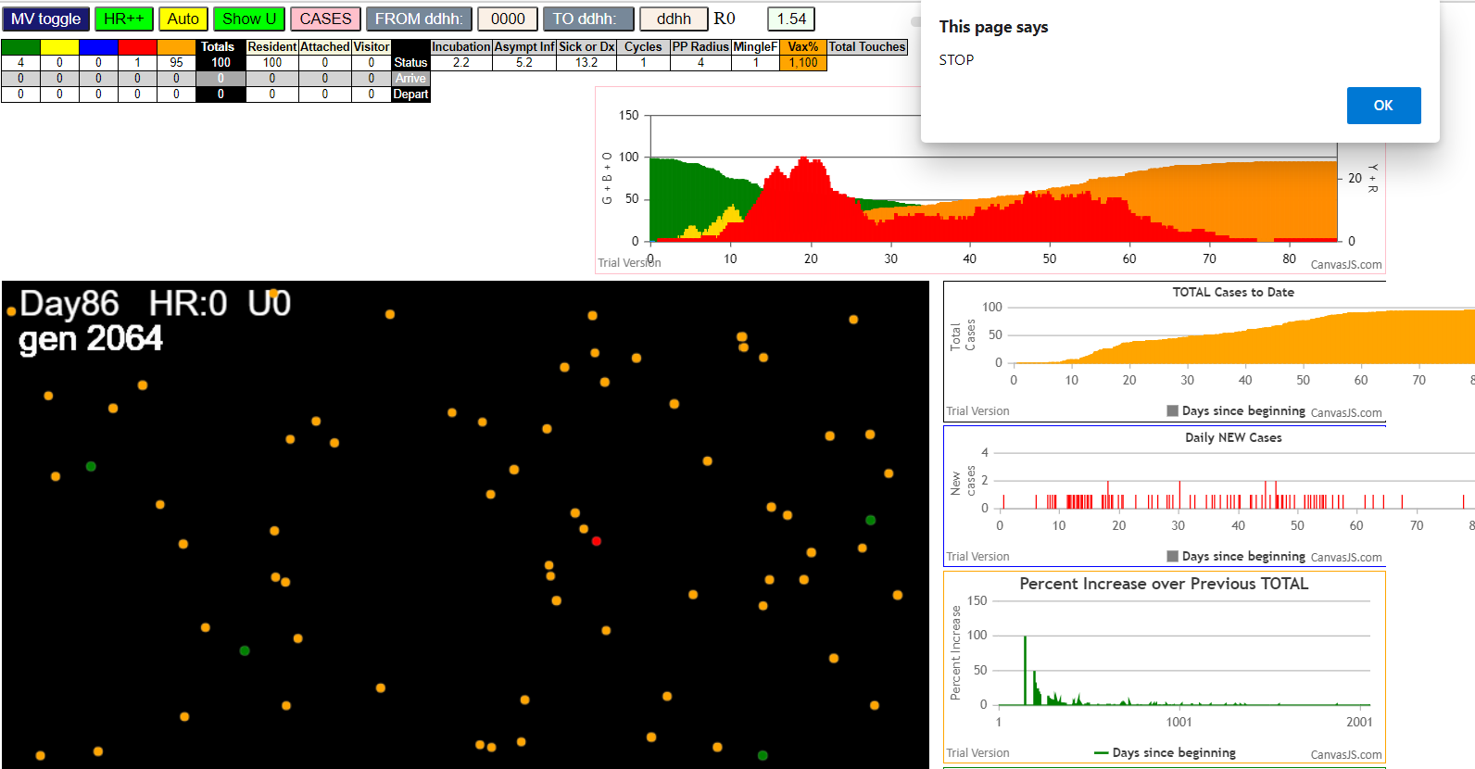

simulationRev2Vax.js:833 Mon Jan 04 2021 13:53:24 GMT-0800 (Pacific Standard Time)
simulationRev2Vax.js:834 CovidSIMVL Mode1 and Mod2 Moderna
simulationRev2Vax.js:4304 exit covidSim
simulationRev2Vax.js:23 getAsText File {name: "HundredAgentsU0mF1.csv", lastModified: 1608077990000, lastModifiedDate: Tue Dec 15 2020 16:19:50 GMT-0800 (Pacific Standard Time), webkitRelativePath: "", size: 2140, …}
simulationRev2Vax.js:32 File {name: "HundredAgentsU0mF1.csv", lastModified: 1608077990000, lastModifiedDate: Tue Dec 15 2020 16:19:50 GMT-0800 (Pacific Standard Time), webkitRelativePath: "", size: 2140, …}
simulationRev2Vax.js:23 getAsText File {name: "VL1.csv", lastModified: 1608081530000, lastModifiedDate: Tue Dec 15 2020 17:18:50 GMT-0800 (Pacific Standard Time), webkitRelativePath: "", size: 65, …}
simulationRev2Vax.js:32 File {name: "VL1.csv", lastModified: 1608081530000, lastModifiedDate: Tue Dec 15 2020 17:18:50 GMT-0800 (Pacific Standard Time), webkitRelativePath: "", size: 65, …}
simulationRev2Vax.js:1318 Case 5,5,3,3.6,4.2,A,5
simulationRev2Vax.js:1643 New Hazard Radius = 4
simulationRev2Vax.js:1665 Mode 2,100 modified
simulationRev2Vax.js:1681 (100) [0, 1, 2, 3, 4, 5, 6, 7, 8, 9, 10, 11, 12, 13, 14, 15, 16, 17, 18, 19, 20, 21, 22, 23, 24, 25, 26, 27, 28, 29, 30, 31, 32, 33, 34, 35, 36, 37, 38, 39, 40, 41, 42, 43, 44, 45, 46, 47, 48, 49, 50, 51, 52, 53, 54, 55, 56, 57, 58, 59, 60, 61, 62, 63, 64, 65, 66, 67, 68, 69, 70, 71, 72, 73, 74, 75, 76, 77, 78, 79, 80, 81, 82, 83, 84, 85, 86, 87, 88, 89, 90, 91, 92, 93, 94, 95, 96, 97, 98, 99]
simulationRev2Vax.js:1691 (99) [0, 1, 2, 3, 4, 6, 7, 8, 9, 10, 11, 12, 13, 14, 15, 16, 17, 18, 19, 20, 21, 22, 23, 24, 25, 26, 27, 28, 29, 30, 31, 32, 33, 34, 35, 36, 37, 38, 39, 40, 41, 42, 43, 44, 45, 46, 47, 48, 49, 50, 51, 52, 53, 54, 55, 56, 57, 58, 59, 60, 61, 62, 63, 64, 65, 66, 67, 68, 69, 70, 71, 72, 73, 74, 75, 76, 77, 78, 79, 80, 81, 82, 83, 84, 85, 86, 87, 88, 89, 90, 91, 92, 93, 94, 95, 96, 97, 98, 99]
simulationRev2Vax.js:1719 Vaccination list = 99
simulationRev2Vax.js:1733 vaccinated 65,11,37,13,9,88,79,70,18,94,54,35,4,57,32,0,67,80,97,8,85,24,19,92,7,90,41,91,60,58,38,48,43,16,25,20,10,49,82,95,87,33,84,89,76,23,28,39,52,17,3,6,2,81,46,96,59,53,64,98,62,44,69,50,83,68,71,56,26,45,51,42,66,93,14,31,29,61,47,78,86,1,73,77,72,22,12,99,74,63,36,34,30,75,27,21,55,15,40
simulationRev2Vax.js:2139 1I j:famKey 73:-1 infected by red i:famKey 5:-1 at gen 175 in Univ0 prob=0.004
simulationRev2Vax.js:2139 2I j:famKey 59:-1 infected by red i:famKey 5:-1 at gen 181 in Univ0 prob=0.409
simulationRev2Vax.js:2156 3I i:famKey 57:-1 infected by blue j:famKey 73:-1 at gen 229 in U0 prob=0.158
simulationRev2Vax.js:2139 4I j:famKey 95:-1 infected by blue i:famKey 73:-1 at gen 244 in Univ0 prob=0.173
simulationRev2Vax.js:2139 5I j:famKey 89:-1 infected by blue i:famKey 73:-1 at gen 263 in Univ0 prob=0.282
simulationRev2Vax.js:2156 6I i:famKey 20:-1 infected by blue j:famKey 59:-1 at gen 286 in U0 prob=0.745
simulationRev2Vax.js:2156 7I i:famKey 24:-1 infected by blue j:famKey 73:-1 at gen 288 in U0 prob=0.353
simulationRev2Vax.js:2139 8I j:famKey 86:-1 infected by red i:famKey 59:-1 at gen 300 in Univ0 prob=0.663
simulationRev2Vax.js:2156 9I i:famKey 13:-1 infected by red j:famKey 73:-1 at gen 309 in U0 prob=0.254
simulationRev2Vax.js:2139 10I j:famKey 79:-1 infected by red i:famKey 59:-1 at gen 315 in Univ0 prob=0.764
simulationRev2Vax.js:2156 10I i:famKey 4:-1 infected by blue j:famKey 57:-1 at gen 316 in U0 prob=0.195
simulationRev2Vax.js:2139 12I j:famKey 35:-1 infected by yellow i:famKey 4:-1 at gen 326 in Univ0 prob=0.290
simulationRev2Vax.js:2156 13I i:famKey 61:-1 infected by red j:famKey 89:-1 at gen 388 in U0 prob=0.933
simulationRev2Vax.js:2139 14I j:famKey 88:-1 infected by blue i:famKey 20:-1 at gen 390 in Univ0 prob=0.966
simulationRev2Vax.js:2156 15I i:famKey 76:-1 infected by blue j:famKey 79:-1 at gen 401 in U0 prob=0.922
simulationRev2Vax.js:2139 16I j:famKey 70:-1 infected by blue i:famKey 20:-1 at gen 404 in Univ0 prob=0.995
simulationRev2Vax.js:2139 17I j:famKey 74:-1 infected by blue i:famKey 61:-1 at gen 453 in Univ0 prob=0.958
simulationRev2Vax.js:2156 18I i:famKey 33:-1 infected by red j:famKey 59:-1 at gen 456 in U0 prob=0.847
simulationRev2Vax.js:2139 19I j:famKey 82:-1 infected by red i:famKey 59:-1 at gen 459 in Univ0 prob=0.866
simulationRev2Vax.js:2156 20I i:famKey 3:-1 infected by blue j:famKey 61:-1 at gen 466 in U0 prob=0.923
simulationRev2Vax.js:2139 21I j:famKey 29:-1 infected by red i:famKey 20:-1 at gen 470 in Univ0 prob=0.757
simulationRev2Vax.js:2139 22I j:famKey 62:-1 infected by blue i:famKey 61:-1 at gen 474 in Univ0 prob=0.761
simulationRev2Vax.js:2156 23I i:famKey 48:-1 infected by blue j:famKey 61:-1 at gen 476 in U0 prob=0.939
simulationRev2Vax.js:2156 24I i:famKey 34:-1 infected by blue j:famKey 70:-1 at gen 478 in U0 prob=0.968
simulationRev2Vax.js:2139 25I j:famKey 54:-1 infected by yellow i:famKey 48:-1 at gen 511 in Univ0 prob=0.892
simulationRev2Vax.js:2156 26I i:famKey 22:-1 infected by blue j:famKey 70:-1 at gen 517 in U0 prob=0.829
simulationRev2Vax.js:2139 27I j:famKey 97:-1 infected by red i:famKey 24:-1 at gen 527 in Univ0 prob=0.959
simulationRev2Vax.js:2156 28I i:famKey 38:-1 infected by blue j:famKey 82:-1 at gen 540 in U0 prob=0.834
simulationRev2Vax.js:2156 28I i:famKey 19:-1 infected by red j:famKey 70:-1 at gen 541 in U0 prob=0.954
simulationRev2Vax.js:2156 29I i:famKey 68:-1 infected by red j:famKey 70:-1 at gen 542 in U0 prob=0.906
simulationRev2Vax.js:2156 31I i:famKey 46:-1 infected by red j:famKey 88:-1 at gen 546 in U0 prob=0.949
simulationRev2Vax.js:2139 32I j:famKey 80:-1 infected by blue i:famKey 3:-1 at gen 551 in Univ0 prob=0.982
simulationRev2Vax.js:2156 33I i:famKey 0:-1 infected by blue j:famKey 34:-1 at gen 559 in U0 prob=0.881
simulationRev2Vax.js:2156 34I i:famKey 85:-1 infected by red j:famKey 86:-1 at gen 571 in U0 prob=0.956
simulationRev2Vax.js:2139 35I j:famKey 10:-1 infected by blue i:famKey 3:-1 at gen 583 in Univ0 prob=0.881
simulationRev2Vax.js:2139 35I j:famKey 45:-1 infected by red i:famKey 13:-1 at gen 583 in Univ0 prob=0.963
simulationRev2Vax.js:2156 37I i:famKey 44:-1 infected by red j:famKey 70:-1 at gen 598 in U0 prob=0.999
simulationRev2Vax.js:2156 38I i:famKey 26:-1 infected by red j:famKey 33:-1 at gen 607 in U0 prob=0.866
simulationRev2Vax.js:2156 39I i:famKey 31:-1 infected by blue j:famKey 38:-1 at gen 627 in U0 prob=0.932
simulationRev2Vax.js:2156 40I i:famKey 14:-1 infected by red j:famKey 33:-1 at gen 640 in U0 prob=0.955
simulationRev2Vax.js:2139 40I j:famKey 63:-1 infected by red i:famKey 3:-1 at gen 641 in Univ0 prob=0.789
simulationRev2Vax.js:2156 42I i:famKey 42:-1 infected by red j:famKey 76:-1 at gen 659 in U0 prob=0.854
simulationRev2Vax.js:2139 42I j:famKey 87:-1 infected by blue i:famKey 45:-1 at gen 659 in Univ0 prob=0.871
simulationRev2Vax.js:2139 44I j:famKey 66:-1 infected by red i:famKey 33:-1 at gen 667 in Univ0 prob=0.804
simulationRev2Vax.js:2156 45I i:famKey 30:-1 infected by red j:famKey 38:-1 at gen 670 in U0 prob=0.891
simulationRev2Vax.js:2156 46I i:famKey 51:-1 infected by red j:famKey 80:-1 at gen 676 in U0 prob=0.883
simulationRev2Vax.js:2139 47I j:famKey 98:-1 infected by red i:famKey 19:-1 at gen 684 in Univ0 prob=0.765
simulationRev2Vax.js:2156 48I i:famKey 15:-1 infected by red j:famKey 80:-1 at gen 688 in U0 prob=0.798
simulationRev2Vax.js:2139 49I j:famKey 90:-1 infected by blue i:famKey 10:-1 at gen 694 in Univ0 prob=0.918
simulationRev2Vax.js:2156 50I i:famKey 8:-1 infected by red j:famKey 29:-1 at gen 714 in U0 prob=0.994
simulationRev2Vax.js:2156 51I i:famKey 47:-1 infected by blue j:famKey 63:-1 at gen 728 in U0 prob=0.960
simulationRev2Vax.js:2139 52I j:famKey 94:-1 infected by red i:famKey 66:-1 at gen 784 in Univ0 prob=0.996
simulationRev2Vax.js:2139 53I j:famKey 37:-1 infected by red i:famKey 15:-1 at gen 869 in Univ0 prob=0.955
simulationRev2Vax.js:2139 54I j:famKey 93:-1 infected by red i:famKey 30:-1 at gen 873 in Univ0 prob=0.979
simulationRev2Vax.js:2156 55I i:famKey 7:-1 infected by red j:famKey 8:-1 at gen 875 in U0 prob=0.960
simulationRev2Vax.js:2156 56I i:famKey 39:-1 infected by red j:famKey 94:-1 at gen 1053 in U0 prob=0.991

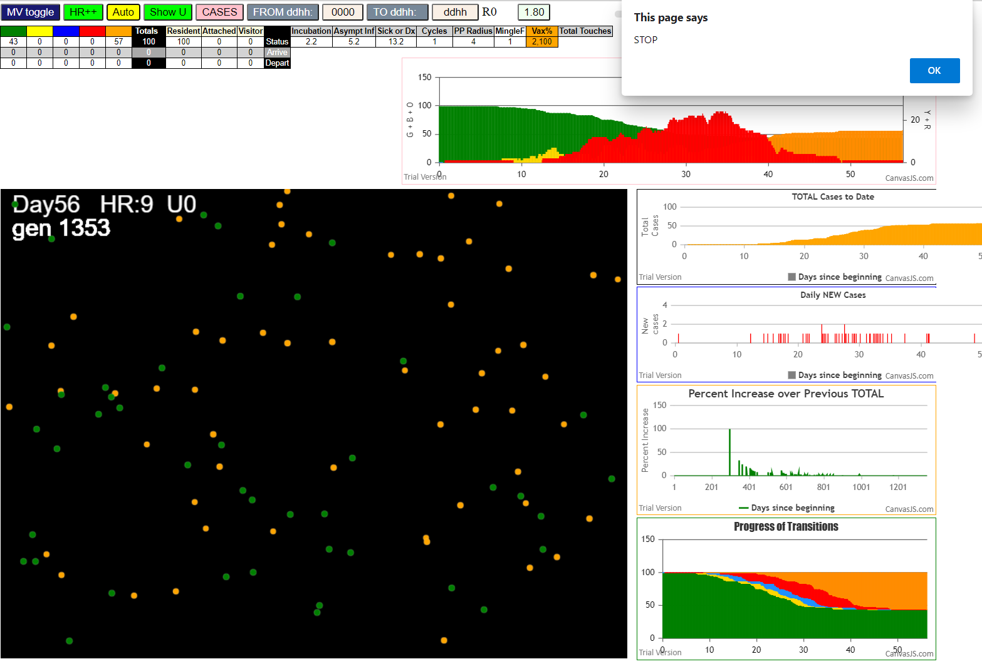

simulationRev2Vax.js:833 Mon Jan 04 2021 13:59:42 GMT-0800 (Pacific Standard Time)
simulationRev2Vax.js:834 CovidSIMVL Mode1 and Mod2 Moderna
simulationRev2Vax.js:4304 exit covidSim
simulationRev2Vax.js:23 getAsText File {name: "HundredAgentsU0mF1.csv", lastModified: 1608077990000, lastModifiedDate: Tue Dec 15 2020 16:19:50 GMT-0800 (Pacific Standard Time), webkitRelativePath: "", size: 2140, …}
simulationRev2Vax.js:32 File {name: "HundredAgentsU0mF1.csv", lastModified: 1608077990000, lastModifiedDate: Tue Dec 15 2020 16:19:50 GMT-0800 (Pacific Standard Time), webkitRelativePath: "", size: 2140, …}
simulationRev2Vax.js:23 getAsText File {name: "VL1.csv", lastModified: 1608081530000, lastModifiedDate: Tue Dec 15 2020 17:18:50 GMT-0800 (Pacific Standard Time), webkitRelativePath: "", size: 65, …}
simulationRev2Vax.js:32 File {name: "VL1.csv", lastModified: 1608081530000, lastModifiedDate: Tue Dec 15 2020 17:18:50 GMT-0800 (Pacific Standard Time), webkitRelativePath: "", size: 65, …}
simulationRev2Vax.js:1318 Case 5,5,3,3.6,4.2,A,5
simulationRev2Vax.js:1621 Red Days changed to 9.2
simulationRev2Vax.js:1665 Mode 1,100 modified
simulationRev2Vax.js:1681 (100) [0, 1, 2, 3, 4, 5, 6, 7, 8, 9, 10, 11, 12, 13, 14, 15, 16, 17, 18, 19, 20, 21, 22, 23, 24, 25, 26, 27, 28, 29, 30, 31, 32, 33, 34, 35, 36, 37, 38, 39, 40, 41, 42, 43, 44, 45, 46, 47, 48, 49, 50, 51, 52, 53, 54, 55, 56, 57, 58, 59, 60, 61, 62, 63, 64, 65, 66, 67, 68, 69, 70, 71, 72, 73, 74, 75, 76, 77, 78, 79, 80, 81, 82, 83, 84, 85, 86, 87, 88, 89, 90, 91, 92, 93, 94, 95, 96, 97, 98, 99]
simulationRev2Vax.js:1691 (99) [0, 1, 2, 3, 4, 6, 7, 8, 9, 10, 11, 12, 13, 14, 15, 16, 17, 18, 19, 20, 21, 22, 23, 24, 25, 26, 27, 28, 29, 30, 31, 32, 33, 34, 35, 36, 37, 38, 39, 40, 41, 42, 43, 44, 45, 46, 47, 48, 49, 50, 51, 52, 53, 54, 55, 56, 57, 58, 59, 60, 61, 62, 63, 64, 65, 66, 67, 68, 69, 70, 71, 72, 73, 74, 75, 76, 77, 78, 79, 80, 81, 82, 83, 84, 85, 86, 87, 88, 89, 90, 91, 92, 93, 94, 95, 96, 97, 98, 99]
simulationRev2Vax.js:1719 Vaccination list = 99
simulationRev2Vax.js:1733 vaccinated 91,77,75,40,20,67,88,22,42,56,80,0,54,72,71,4,47,96,30,50,83,12,81,55,64,35,90,92,31,84,79,2,85,28,24,82,97,1,11,43,94,16,57,29,70,9,15,10,44,32,51,59,98,45,46,49,48,3,68,23,17,52,89,19,6,93,99,26,65,36,73,21,41,69,7,39,60,78,13,61,53,95,63,87,34,18,33,66,27,25,86,76,38,74,62,37,8,58,14
simulationRev2Vax.js:2139 1I j:famKey 57:-1 infected by blue i:famKey 5:-1 at gen 14 in Univ0 prob=0.093
simulationRev2Vax.js:2139 2I j:famKey 52:-1 infected by red i:famKey 5:-1 at gen 20 in Univ0 prob=0.439
simulationRev2Vax.js:2139 3I j:famKey 14:-1 infected by red i:famKey 5:-1 at gen 43 in Univ0 prob=0.557
simulationRev2Vax.js:2139 4I j:famKey 40:-1 infected by red i:famKey 5:-1 at gen 57 in Univ0 prob=0.505
simulationRev2Vax.js:2139 5I j:famKey 97:-1 infected by red i:famKey 5:-1 at gen 59 in Univ0 prob=0.613
simulationRev2Vax.js:2139 6I j:famKey 12:-1 infected by red i:famKey 5:-1 at gen 80 in Univ0 prob=0.427
simulationRev2Vax.js:2156 7I i:famKey 1:-1 infected by blue j:famKey 52:-1 at gen 92 in U0 prob=0.453
simulationRev2Vax.js:2156 8I i:famKey 22:-1 infected by blue j:famKey 57:-1 at gen 100 in U0 prob=0.059
simulationRev2Vax.js:2139 9I j:famKey 94:-1 infected by red i:famKey 5:-1 at gen 106 in Univ0 prob=0.371
simulationRev2Vax.js:2156 10I i:famKey 10:-1 infected by blue j:famKey 12:-1 at gen 166 in U0 prob=0.997
simulationRev2Vax.js:2139 11I j:famKey 66:-1 infected by blue i:famKey 12:-1 at gen 169 in Univ0 prob=0.810
simulationRev2Vax.js:2139 12I j:famKey 71:-1 infected by red i:famKey 14:-1 at gen 203 in Univ0 prob=0.208
simulationRev2Vax.js:2156 13I i:famKey 6:-1 infected by red j:famKey 12:-1 at gen 224 in U0 prob=0.360
simulationRev2Vax.js:2139 14I j:famKey 8:-1 infected by red i:famKey 1:-1 at gen 240 in Univ0 prob=0.128
simulationRev2Vax.js:2139 15I j:famKey 81:-1 infected by blue i:famKey 66:-1 at gen 249 in Univ0 prob=0.547
simulationRev2Vax.js:2156 16I i:famKey 38:-1 infected by blue j:famKey 66:-1 at gen 271 in U0 prob=0.212
simulationRev2Vax.js:2139 17I j:famKey 93:-1 infected by blue i:famKey 66:-1 at gen 275 in Univ0 prob=0.852
simulationRev2Vax.js:2139 18I j:famKey 62:-1 infected by red i:famKey 22:-1 at gen 293 in Univ0 prob=0.568
simulationRev2Vax.js:2156 19I i:famKey 11:-1 infected by blue j:famKey 71:-1 at gen 296 in U0 prob=0.492
simulationRev2Vax.js:2139 20I j:famKey 92:-1 infected by blue i:famKey 81:-1 at gen 312 in Univ0 prob=0.392
simulationRev2Vax.js:2139 21I j:famKey 24:-1 infected by blue i:famKey 6:-1 at gen 329 in Univ0 prob=0.815
simulationRev2Vax.js:2156 22I i:famKey 32:-1 infected by blue j:famKey 38:-1 at gen 348 in U0 prob=0.873
simulationRev2Vax.js:2139 23I j:famKey 54:-1 infected by yellow i:famKey 32:-1 at gen 351 in Univ0 prob=0.975
simulationRev2Vax.js:2139 24I j:famKey 63:-1 infected by red i:famKey 8:-1 at gen 369 in Univ0 prob=0.983
simulationRev2Vax.js:2139 24I j:famKey 64:-1 infected by blue i:famKey 62:-1 at gen 370 in Univ0 prob=0.848
simulationRev2Vax.js:2156 26I i:famKey 53:-1 infected by blue j:famKey 62:-1 at gen 388 in U0 prob=0.902
simulationRev2Vax.js:2156 26I i:famKey 50:-1 infected by red j:famKey 81:-1 at gen 389 in U0 prob=0.892
simulationRev2Vax.js:2139 28I j:famKey 67:-1 infected by red i:famKey 8:-1 at gen 413 in Univ0 prob=0.969
simulationRev2Vax.js:2139 28I j:famKey 49:-1 infected by blue i:famKey 24:-1 at gen 413 in Univ0 prob=0.806
simulationRev2Vax.js:2156 30I i:famKey 15:-1 infected by blue j:famKey 32:-1 at gen 415 in U0 prob=0.869
simulationRev2Vax.js:2156 31I i:famKey 2:-1 infected by red j:famKey 63:-1 at gen 503 in U0 prob=0.931
simulationRev2Vax.js:2139 32I j:famKey 47:-1 infected by red i:famKey 24:-1 at gen 513 in Univ0 prob=0.926
simulationRev2Vax.js:2156 33I i:famKey 0:-1 infected by blue j:famKey 49:-1 at gen 529 in U0 prob=0.849
simulationRev2Vax.js:2156 34I i:famKey 30:-1 infected by red j:famKey 54:-1 at gen 538 in U0 prob=0.900
simulationRev2Vax.js:2139 35I j:famKey 31:-1 infected by blue i:famKey 0:-1 at gen 591 in Univ0 prob=0.884
simulationRev2Vax.js:2139 36I j:famKey 68:-1 infected by red i:famKey 49:-1 at gen 618 in Univ0 prob=0.968
simulationRev2Vax.js:2156 37I i:famKey 20:-1 infected by blue j:famKey 31:-1 at gen 676 in U0 prob=0.896
simulationRev2Vax.js:2139 38I j:famKey 56:-1 infected by blue i:famKey 31:-1 at gen 678 in Univ0 prob=0.883
simulationRev2Vax.js:2139 39I j:famKey 99:-1 infected by red i:famKey 30:-1 at gen 726 in Univ0 prob=0.884
...
simulationRev2Vax.js:833 Mon Jan 04 2021 13:59:42 GMT-0800 (Pacific Standard Time)
simulationRev2Vax.js:2139 75I j:famKey 89:-1 infected by blue i:famKey 61:-1 at gen 1290 in Univ0 prob=0.379
simulationRev2Vax.js:2139 76I j:famKey 79:-1 infected by red i:famKey 72:-1 at gen 1303 in Univ0 prob=0.404
simulationRev2Vax.js:2139 77I j:famKey 48:-1 infected by red i:famKey 39:-1 at gen 1323 in Univ0 prob=0.573
simulationRev2Vax.js:2139 78I j:famKey 88:-1 infected by red i:famKey 39:-1 at gen 1346 in Univ0 prob=0.761
simulationRev2Vax.js:2156 79I i:famKey 16:-1 infected by red j:famKey 90:-1 at gen 1366 in U0 prob=0.709
simulationRev2Vax.js:2156 79I i:famKey 35:-1 infected by red j:famKey 85:-1 at gen 1366 in U0 prob=0.231
simulationRev2Vax.js:2139 79I j:famKey 80:-1 infected by red i:famKey 60:-1 at gen 1367 in Univ0 prob=0.858
simulationRev2Vax.js:2156 82I i:famKey 83:-1 infected by red j:famKey 85:-1 at gen 1394 in U0 prob=0.074
simulationRev2Vax.js:2156 83I i:famKey 58:-1 infected by red j:famKey 89:-1 at gen 1414 in U0 prob=0.462

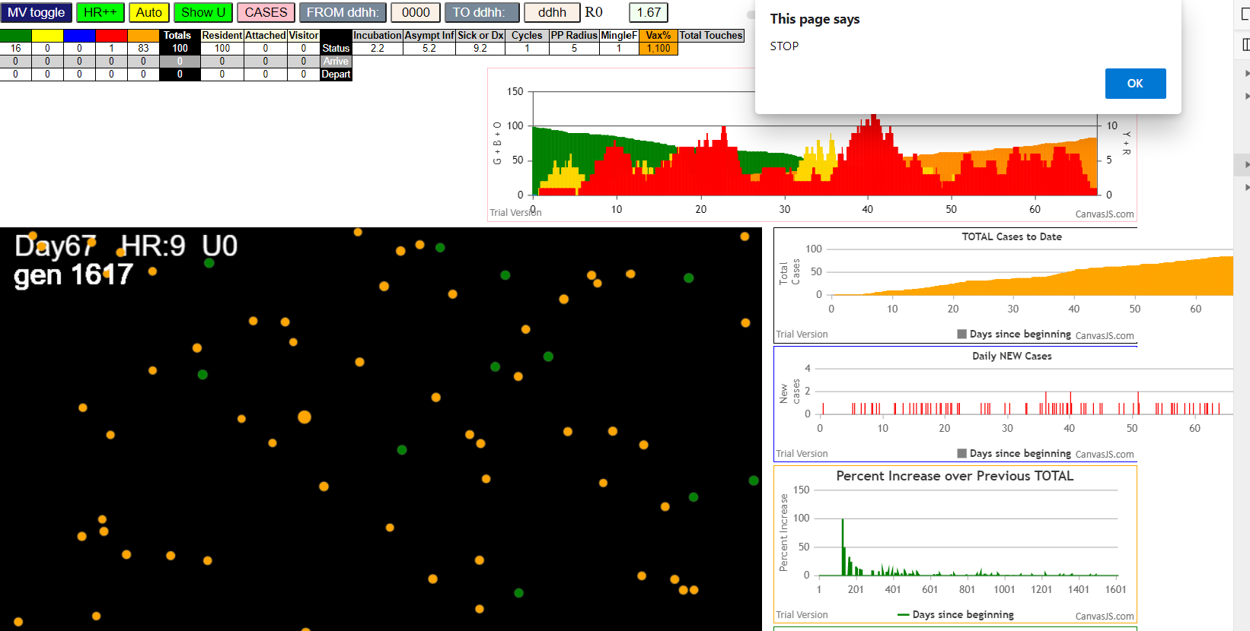

Mon Jan 04 2021 14:07:18 GMT-0800 (Pacific Standard Time)
simulationRev2Vax.js:834 CovidSIMVL Mode1 and Mod2 Moderna
simulationRev2Vax.js:4304 exit covidSim
simulationRev2Vax.js:23 getAsText File {name: "HundredAgentsU0mF1.csv", lastModified: 1608077990000, lastModifiedDate: Tue Dec 15 2020 16:19:50 GMT-0800 (Pacific Standard Time), webkitRelativePath: "", size: 2140, …}
simulationRev2Vax.js:32 File {name: "HundredAgentsU0mF1.csv", lastModified: 1608077990000, lastModifiedDate: Tue Dec 15 2020 16:19:50 GMT-0800 (Pacific Standard Time), webkitRelativePath: "", size: 2140, …}
simulationRev2Vax.js:23 getAsText File {name: "VL1.csv", lastModified: 1608081530000, lastModifiedDate: Tue Dec 15 2020 17:18:50 GMT-0800 (Pacific Standard Time), webkitRelativePath: "", size: 65, …}
simulationRev2Vax.js:32 File {name: "VL1.csv", lastModified: 1608081530000, lastModifiedDate: Tue Dec 15 2020 17:18:50 GMT-0800 (Pacific Standard Time), webkitRelativePath: "", size: 65, …}
...
simulationRev2Vax.js:2139 1I j:famKey 60:-1 infected by red i:famKey 5:-1 at gen 50 in Univ0 prob=0.398
simulationRev2Vax.js:2156 2I i:famKey 51:-1 infected by blue j:famKey 60:-1 at gen 129 in U0 prob=0.895
simulationRev2Vax.js:2156 3I i:famKey 30:-1 infected by blue j:famKey 60:-1 at gen 170 in U0 prob=0.579
simulationRev2Vax.js:2156 4I i:famKey 22:-1 infected by red j:famKey 60:-1 at gen 175 in U0 prob=0.068
simulationRev2Vax.js:2139 5I j:famKey 62:-1 infected by red i:famKey 51:-1 at gen 256 in Univ0 prob=0.009
simulationRev2Vax.js:2139 6I j:famKey 96:-1 infected by blue i:famKey 22:-1 at gen 294 in Univ0 prob=0.416
simulationRev2Vax.js:2139 7I j:famKey 54:-1 infected by red i:famKey 22:-1 at gen 330 in Univ0 prob=0.412
simulationRev2Vax.js:2156 8I i:famKey 44:-1 infected by blue j:famKey 96:-1 at gen 393 in U0 prob=0.795
simulationRev2Vax.js:2156 9I i:famKey 12:-1 infected by red j:famKey 96:-1 at gen 437 in U0 prob=0.919

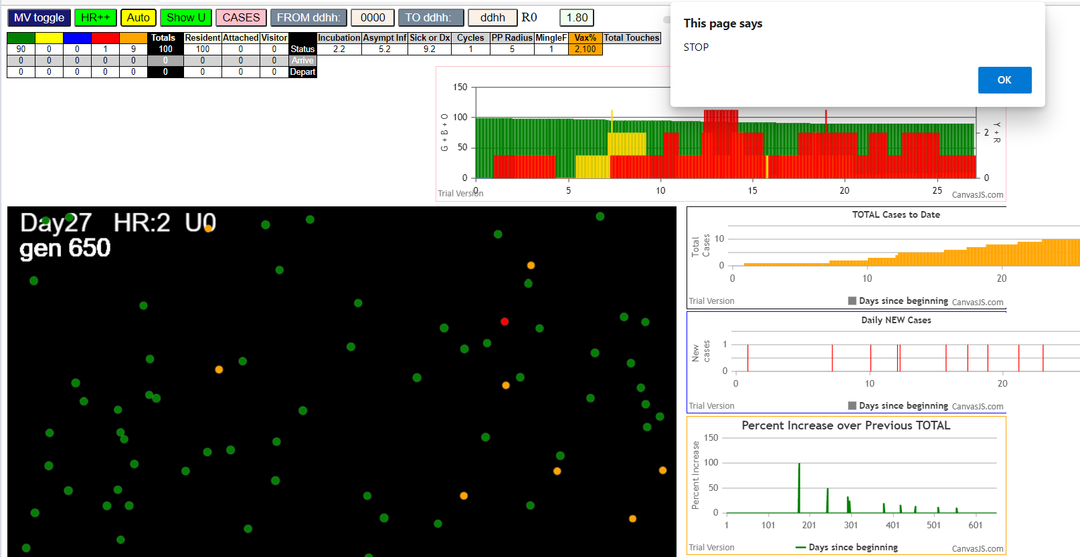

simulationRev2Vax.js:833 Mon Jan 04 2021 14:11:35 GMT-0800 (Pacific Standard Time)
simulationRev2Vax.js:834 CovidSIMVL Mode1 and Mod2 Moderna
simulationRev2Vax.js:4304 exit covidSim
simulationRev2Vax.js:23 getAsText File {name: "HundredAgentsU0mF1.csv", lastModified: 1608077990000, lastModifiedDate: Tue Dec 15 2020 16:19:50 GMT-0800 (Pacific Standard Time), webkitRelativePath: "", size: 2140, …}
simulationRev2Vax.js:32 File {name: "HundredAgentsU0mF1.csv", lastModified: 1608077990000, lastModifiedDate: Tue Dec 15 2020 16:19:50 GMT-0800 (Pacific Standard Time), webkitRelativePath: "", size: 2140, …}
simulationRev2Vax.js:23 getAsText File {name: "VL1.csv", lastModified: 1608081530000, lastModifiedDate: Tue Dec 15 2020 17:18:50 GMT-0800 (Pacific Standard Time), webkitRelativePath: "", size: 65, …}
simulationRev2Vax.js:32 File {name: "VL1.csv", lastModified: 1608081530000, lastModifiedDate: Tue Dec 15 2020 17:18:50 GMT-0800 (Pacific Standard Time), webkitRelativePath: "", size: 65, …}
...
simulationRev2Vax.js:2139 59I j:famKey 91:-1 infected by red i:famKey 76:-1 at gen 918 in Univ0 prob=0.899
simulationRev2Vax.js:2156 60I i:famKey 20:-1 infected by blue j:famKey 54:-1 at gen 951 in U0 prob=0.664
simulationRev2Vax.js:2139 61I j:famKey 99:-1 infected by red i:famKey 76:-1 at gen 961 in Univ0 prob=0.284
simulationRev2Vax.js:2139 62I j:famKey 65:-1 infected by blue i:famKey 54:-1 at gen 982 in Univ0 prob=0.600
simulationRev2Vax.js:2139 63I j:famKey 42:-1 infected by red i:famKey 6:-1 at gen 1014 in Univ0 prob=0.551
simulationRev2Vax.js:2156 64I i:famKey 44:-1 infected by red j:famKey 54:-1 at gen 1041 in U0 prob=0.086
simulationRev2Vax.js:2139 65I j:famKey 80:-1 infected by red i:famKey 54:-1 at gen 1046 in Univ0 prob=0.149
simulationRev2Vax.js:2156 66I i:famKey 17:-1 infected by red j:famKey 91:-1 at gen 1120 in U0 prob=0.378
simulationRev2Vax.js:2139 67I j:famKey 33:-1 infected by blue i:famKey 17:-1 at gen 1224 in Univ0 prob=0.835

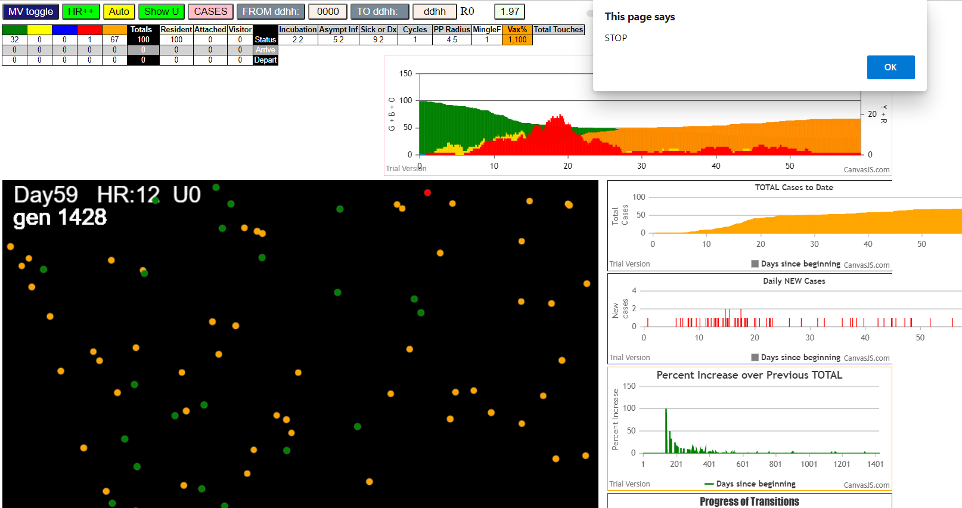

simulationRev2Vax.js:833 Mon Jan 04 2021 14:23:00 GMT-0800 (Pacific Standard Time)
simulationRev2Vax.js:834 CovidSIMVL Mode1 and Mod2 Moderna
simulationRev2Vax.js:4304 exit covidSim
simulationRev2Vax.js:23 getAsText File {name: "HundredAgentsU0mF1.csv", lastModified: 1608077990000, lastModifiedDate: Tue Dec 15 2020 16:19:50 GMT-0800 (Pacific Standard Time), webkitRelativePath: "", size: 2140, …}
simulationRev2Vax.js:32 File {name: "HundredAgentsU0mF1.csv", lastModified: 1608077990000, lastModifiedDate: Tue Dec 15 2020 16:19:50 GMT-0800 (Pacific Standard Time), webkitRelativePath: "", size: 2140, …}
simulationRev2Vax.js:23 getAsText File {name: "VL1.csv", lastModified: 1608081530000, lastModifiedDate: Tue Dec 15 2020 17:18:50 GMT-0800 (Pacific Standard Time), webkitRelativePath: "", size: 65, …}
simulationRev2Vax.js:32 File {name: "VL1.csv", lastModified: 1608081530000, lastModifiedDate: Tue Dec 15 2020 17:18:50 GMT-0800 (Pacific Standard Time), webkitRelativePath: "", size: 65, …}
...
simulationRev2Vax.js:2156 28I i:famKey 9:-1 infected by red j:famKey 70:-1 at gen 544 in U0 prob=0.947
simulationRev2Vax.js:2156 29I i:famKey 23:-1 infected by blue j:famKey 77:-1 at gen 571 in U0 prob=0.846
simulationRev2Vax.js:2156 29I i:famKey 46:-1 infected by red j:famKey 79:-1 at gen 572 in U0 prob=0.890
simulationRev2Vax.js:2156 31I i:famKey 42:-1 infected by yellow j:famKey 46:-1 at gen 574 in U0 prob=0.976
simulationRev2Vax.js:2156 32I i:famKey 44:-1 infected by blue j:famKey 77:-1 at gen 580 in U0 prob=0.843
simulationRev2Vax.js:2156 32I i:famKey 8:-1 infected by blue j:famKey 77:-1 at gen 581 in U0 prob=0.973
simulationRev2Vax.js:2139 34I j:famKey 24:-1 infected by blue i:famKey 8:-1 at gen 660 in Univ0 prob=0.978
simulationRev2Vax.js:2139 35I j:famKey 80:-1 infected by red i:famKey 77:-1 at gen 680 in Univ0 prob=0.751
simulationRev2Vax.js:2139 36I j:famKey 64:-1 infected by blue i:famKey 8:-1 at gen 685 in Univ0 prob=0.894

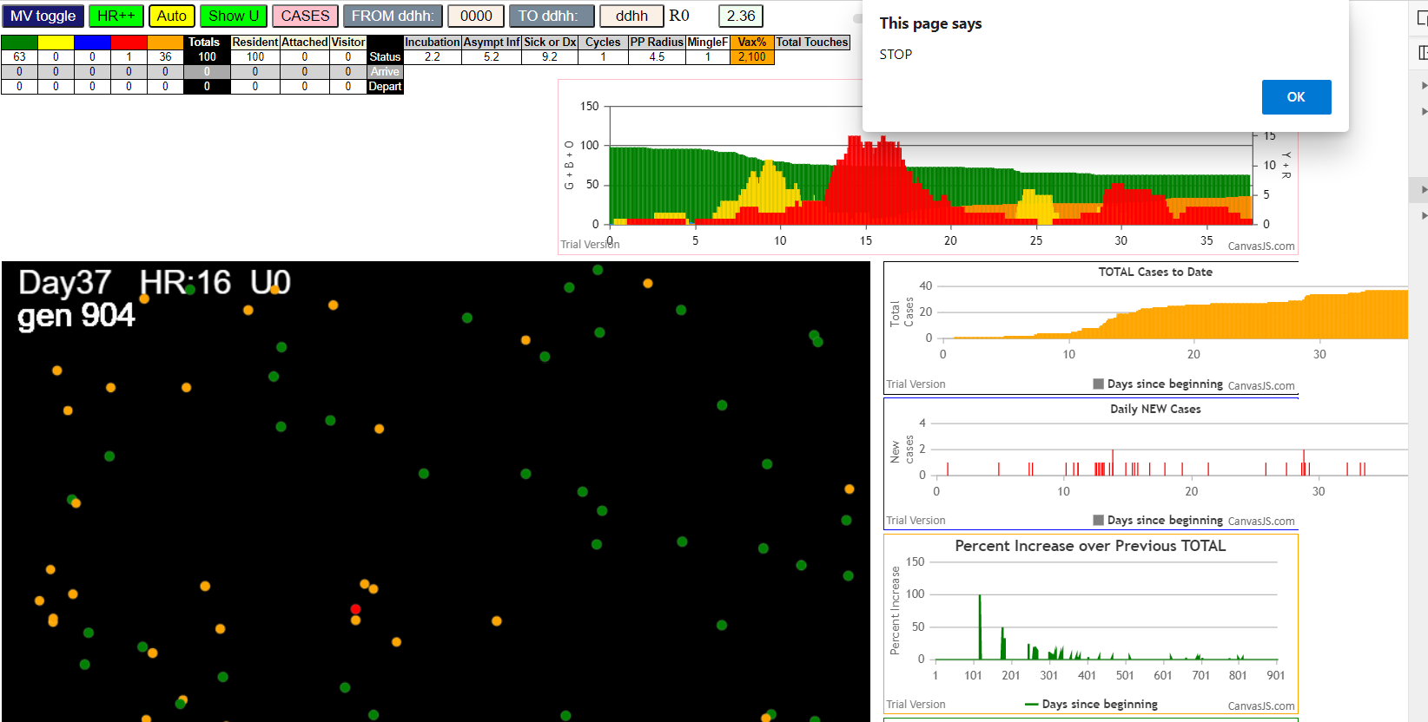

Mon Jan 04 2021 14:28:29 GMT-0800 (Pacific Standard Time)
simulationRev2Vax.js:834 CovidSIMVL Mode1 and Mod2 Moderna
simulationRev2Vax.js:4304 exit covidSim
simulationRev2Vax.js:23 getAsText File {name: "HundredAgentsU0mF1.csv", lastModified: 1608077990000, lastModifiedDate: Tue Dec 15 2020 16:19:50 GMT-0800 (Pacific Standard Time), webkitRelativePath: "", size: 2140, …}
simulationRev2Vax.js:32 File {name: "HundredAgentsU0mF1.csv", lastModified: 1608077990000, lastModifiedDate: Tue Dec 15 2020 16:19:50 GMT-0800 (Pacific Standard Time), webkitRelativePath: "", size: 2140, …}
simulationRev2Vax.js:23 getAsText File {name: "VL1.csv", lastModified: 1608081530000, lastModifiedDate: Tue Dec 15 2020 17:18:50 GMT-0800 (Pacific Standard Time), webkitRelativePath: "", size: 65, …}
...
simulationRev2Vax.js:1621 Red Days changed to 9.2
simulationRev2Vax.js:1643 New Hazard Radius = 4
simulationRev2Vax.js:1665 Mode 1,100 modified
simulationRev2Vax.js:1681 (100) [0, 1, 2, 3, 4, 5, 6, 7, 8, 9, 10, 11, 12, 13, 14, 15, 16, 17, 18, 19, 20, 21, 22, 23, 24, 25, 26, 27, 28, 29, 30, 31, 32, 33, 34, 35, 36, 37, 38, 39, 40, 41, 42, 43, 44, 45, 46, 47, 48, 49, 50, 51, 52, 53, 54, 55, 56, 57, 58, 59, 60, 61, 62, 63, 64, 65, 66, 67, 68, 69, 70, 71, 72, 73, 74, 75, 76, 77, 78, 79, 80, 81, 82, 83, 84, 85, 86, 87, 88, 89, 90, 91, 92, 93, 94, 95, 96, 97, 98, 99]
simulationRev2Vax.js:1691 (99) [0, 1, 2, 3, 4, 6, 7, 8, 9, 10, 11, 12, 13, 14, 15, 16, 17, 18, 19, 20, 21, 22, 23, 24, 25, 26, 27, 28, 29, 30, 31, 32, 33, 34, 35, 36, 37, 38, 39, 40, 41, 42, 43, 44, 45, 46, 47, 48, 49, 50, 51, 52, 53, 54, 55, 56, 57, 58, 59, 60, 61, 62, 63, 64, 65, 66, 67, 68, 69, 70, 71, 72, 73, 74, 75, 76, 77, 78, 79, 80, 81, 82, 83, 84, 85, 86, 87, 88, 89, 90, 91, 92, 93, 94, 95, 96, 97, 98, 99]
simulationRev2Vax.js:1719 Vaccination list = 99
simulationRev2Vax.js:1733 vaccinated 12,41,95,14,40,48,15,69,34,26,92,50,63,81,98,27,54,62,75,24,49,85,43,88,89,52,0,76,96,42,71,84,19,37,68,79,56,91,7,36,9,28,10,1,53,77,35,73,82,16,23,46,25,67,18,78,74,58,17,60,31,32,8,94,38,70,45,97,20,47,61,6,3,39,33,22,29,13,90,44,55,99,65,51,30,86,93,2,57,83,80,87,59,72,64,66,11,21,4
simulationRev2Vax.js:2139 1I j:famKey 22:-1 infected by red i:famKey 5:-1 at gen 27 in Univ0 prob=0.040
simulationRev2Vax.js:2156 2I i:famKey 21:-1 infected by blue j:famKey 22:-1 at gen 99 in U0 prob=0.592

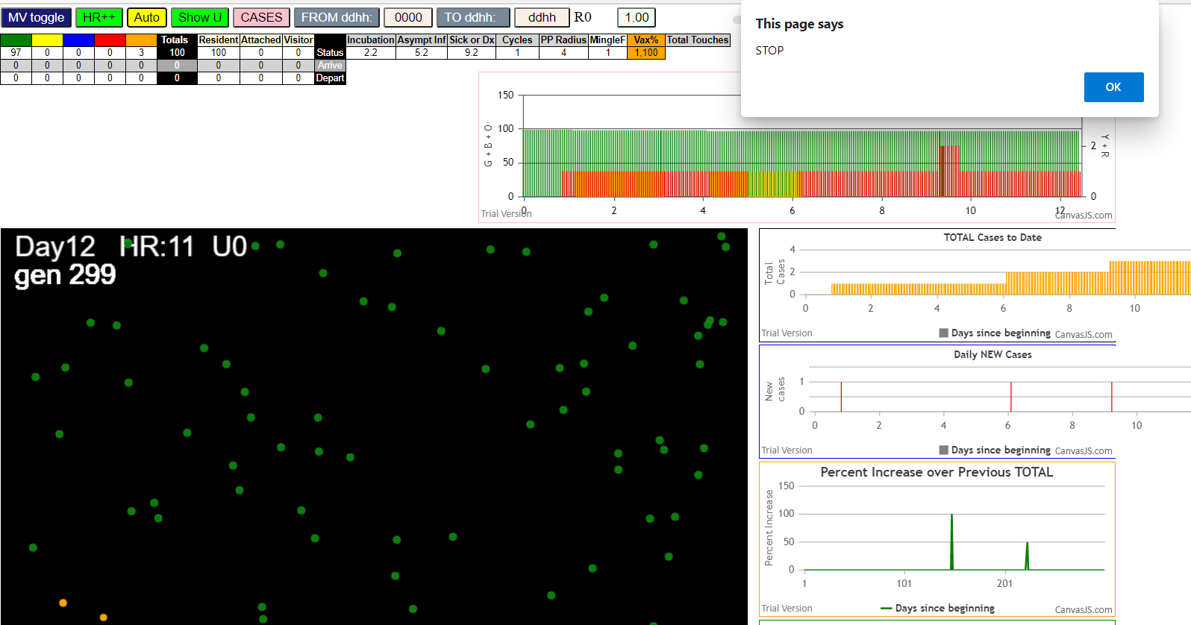

simulationRev2Vax.js:833 Mon Jan 04 2021 14:30:44 GMT-0800 (Pacific Standard Time)
simulationRev2Vax.js:834 CovidSIMVL Mode1 and Mod2 Moderna
simulationRev2Vax.js:4304 exit covidSim
simulationRev2Vax.js:23 getAsText File {name: "HundredAgentsU0mF1.csv", lastModified: 1608077990000, lastModifiedDate: Tue Dec 15 2020 16:19:50 GMT-0800 (Pacific Standard Time), webkitRelativePath: "", size: 2140, …}
simulationRev2Vax.js:32 File {name: "HundredAgentsU0mF1.csv", lastModified: 1608077990000, lastModifiedDate: Tue Dec 15 2020 16:19:50 GMT-0800 (Pacific Standard Time), webkitRelativePath: "", size: 2140, …}
simulationRev2Vax.js:23 getAsText File {name: "VL1.csv", lastModified: 1608081530000, lastModifiedDate: Tue Dec 15 2020 17:18:50 GMT-0800 (Pacific Standard Time), webkitRelativePath: "", size: 65, …}
simulationRev2Vax.js:32 File {name: "VL1.csv", lastModified: 1608081530000, lastModifiedDate: Tue Dec 15 2020 17:18:50 GMT-0800 (Pacific Standard Time), webkitRelativePath: "", size: 65, …}
...
simulationRev2Vax.js:2139 79I j:famKey 63:-1 infected by red i:famKey 51:-1 at gen 1655 in Univ0 prob=0.380
simulationRev2Vax.js:2156 80I i:famKey 59:-1 infected by blue j:famKey 88:-1 at gen 1669 in U0 prob=0.023
simulationRev2Vax.js:2139 81I j:famKey 74:-1 infected by blue i:famKey 4:-1 at gen 1706 in Univ0 prob=0.742
simulationRev2Vax.js:2156 82I i:famKey 23:-1 infected by red j:famKey 64:-1 at gen 1720 in U0 prob=0.454
simulationRev2Vax.js:2139 83I j:famKey 98:-1 infected by blue i:famKey 38:-1 at gen 1750 in Univ0 prob=0.971
simulationRev2Vax.js:2139 84I j:famKey 89:-1 infected by red i:famKey 29:-1 at gen 1781 in Univ0 prob=0.451
simulationRev2Vax.js:2156 85I i:famKey 11:-1 infected by blue j:famKey 74:-1 at gen 1797 in U0 prob=0.164
simulationRev2Vax.js:2156 86I i:famKey 8:-1 infected by red j:famKey 38:-1 at gen 1803 in U0 prob=0.142
simulationRev2Vax.js:2139 87I j:famKey 93:-1 infected by red i:famKey 23:-1 at gen 1885 in Univ0 prob=0.281

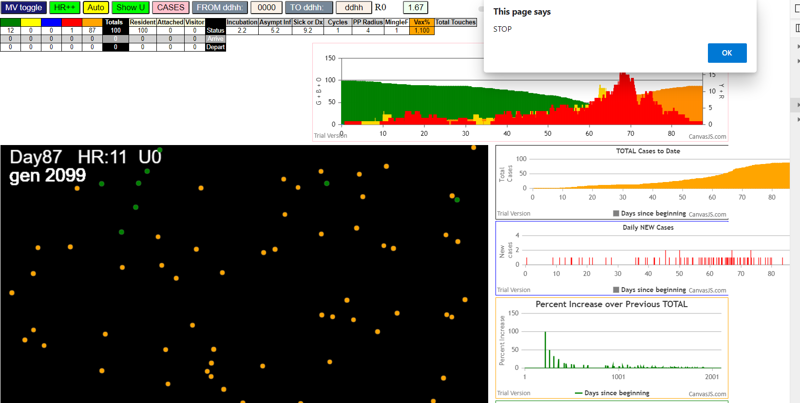

Mon Jan 04 2021 14:41:54 GMT-0800 (Pacific Standard Time)
simulationRev2Vax.js:834 CovidSIMVL Mode1 and Mod2 Moderna
simulationRev2Vax.js:4304 exit covidSim
simulationRev2Vax.js:23 getAsText File {name: "HundredAgentsU0mF1.csv", lastModified: 1608077990000, lastModifiedDate: Tue Dec 15 2020 16:19:50 GMT-0800 (Pacific Standard Time), webkitRelativePath: "", size: 2140, …}
simulationRev2Vax.js:32 File {name: "HundredAgentsU0mF1.csv", lastModified: 1608077990000, lastModifiedDate: Tue Dec 15 2020 16:19:50 GMT-0800 (Pacific Standard Time), webkitRelativePath: "", size: 2140, …}
simulationRev2Vax.js:23 getAsText File {name: "VL1.csv", lastModified: 1608081530000, lastModifiedDate: Tue Dec 15 2020 17:18:50 GMT-0800 (Pacific Standard Time), webkitRelativePath: "", size: 65, …}
simulationRev2Vax.js:32 File {name: "VL1.csv", lastModified: 1608081530000, lastModifiedDate: Tue Dec 15 2020 17:18:50 GMT-0800 (Pacific Standard Time), webkitRelativePath: "", size: 65, …}
simulationRev2Vax.js:1318 Case 5,5,3,3.6,4.2,A,5
...
simulationRev2Vax.js:2156 9I i:famKey 51:-1 infected by yellow j:famKey 71:-1 at gen 335 in U0 prob=0.075
simulationRev2Vax.js:2156 11I i:famKey 43:-1 infected by blue j:famKey 81:-1 at gen 361 in U0 prob=0.835
simulationRev2Vax.js:2139 12I j:famKey 96:-1 infected by red i:famKey 47:-1 at gen 406 in Univ0 prob=0.940
simulationRev2Vax.js:2156 13I i:famKey 2:-1 infected by red j:famKey 68:-1 at gen 458 in U0 prob=0.913
simulationRev2Vax.js:2156 14I i:famKey 61:-1 infected by red j:famKey 68:-1 at gen 497 in U0 prob=0.876
simulationRev2Vax.js:2156 15I i:famKey 83:-1 infected by red j:famKey 96:-1 at gen 565 in U0 prob=0.915
simulationRev2Vax.js:2139 16I j:famKey 60:-1 infected by red i:famKey 2:-1 at gen 652 in Univ0 prob=0.842
simulationRev2Vax.js:2139 17I j:famKey 36:-1 infected by red i:famKey 2:-1 at gen 655 in Univ0 prob=0.990
simulationRev2Vax.js:2156 18I i:famKey 31:-1 infected by red j:famKey 36:-1 at gen 845 in U0 prob=0.806



simulationRev2Vax.js:833 Mon Jan 04 2021 14:46:29 GMT-0800 (Pacific Standard Time)
simulationRev2Vax.js:834 CovidSIMVL Mode1 and Mod2 Moderna
simulationRev2Vax.js:4304 exit covidSim
simulationRev2Vax.js:23 getAsText File {name: "HundredAgentsU0mF1.csv", lastModified: 1608077990000, lastModifiedDate: Tue Dec 15 2020 16:19:50 GMT-0800 (Pacific Standard Time), webkitRelativePath: "", size: 2140, …}
simulationRev2Vax.js:32 File {name: "HundredAgentsU0mF1.csv", lastModified: 1608077990000, lastModifiedDate: Tue Dec 15 2020 16:19:50 GMT-0800 (Pacific Standard Time), webkitRelativePath: "", size: 2140, …}
simulationRev2Vax.js:23 getAsText File {name: "VL1.csv", lastModified: 1608081530000, lastModifiedDate: Tue Dec 15 2020 17:18:50 GMT-0800 (Pacific Standard Time), webkitRelativePath: "", size: 65, …}
simulationRev2Vax.js:32 File {name: "VL1.csv", lastModified: 1608081530000, lastModifiedDate: Tue Dec 15 2020 17:18:50 GMT-0800 (Pacific Standard Time), webkitRelativePath: "", size: 65, …}
...
simulationRev2Vax.js:2156 52I i:famKey 44:-1 infected by blue j:famKey 56:-1 at gen 1077 in U0 prob=0.431
simulationRev2Vax.js:2156 52I i:famKey 18:-1 infected by blue j:famKey 76:-1 at gen 1078 in U0 prob=0.063
simulationRev2Vax.js:2139 54I j:famKey 47:-1 infected by blue i:famKey 17:-1 at gen 1098 in Univ0 prob=0.292
simulationRev2Vax.js:2156 55I i:famKey 51:-1 infected by blue j:famKey 81:-1 at gen 1108 in U0 prob=0.301
simulationRev2Vax.js:2139 56I j:famKey 84:-1 infected by blue i:famKey 27:-1 at gen 1118 in Univ0 prob=0.924
simulationRev2Vax.js:2156 57I i:famKey 11:-1 infected by red j:famKey 17:-1 at gen 1209 in U0 prob=0.341
simulationRev2Vax.js:2139 58I j:famKey 53:-1 infected by red i:famKey 47:-1 at gen 1251 in Univ0 prob=0.196
simulationRev2Vax.js:2139 59I j:famKey 75:-1 infected by red i:famKey 11:-1 at gen 1368 in Univ0 prob=0.219
simulationRev2Vax.js:2156 60I i:famKey 73:-1 infected by blue j:famKey 75:-1 at gen 1476 in U0 prob=0.763

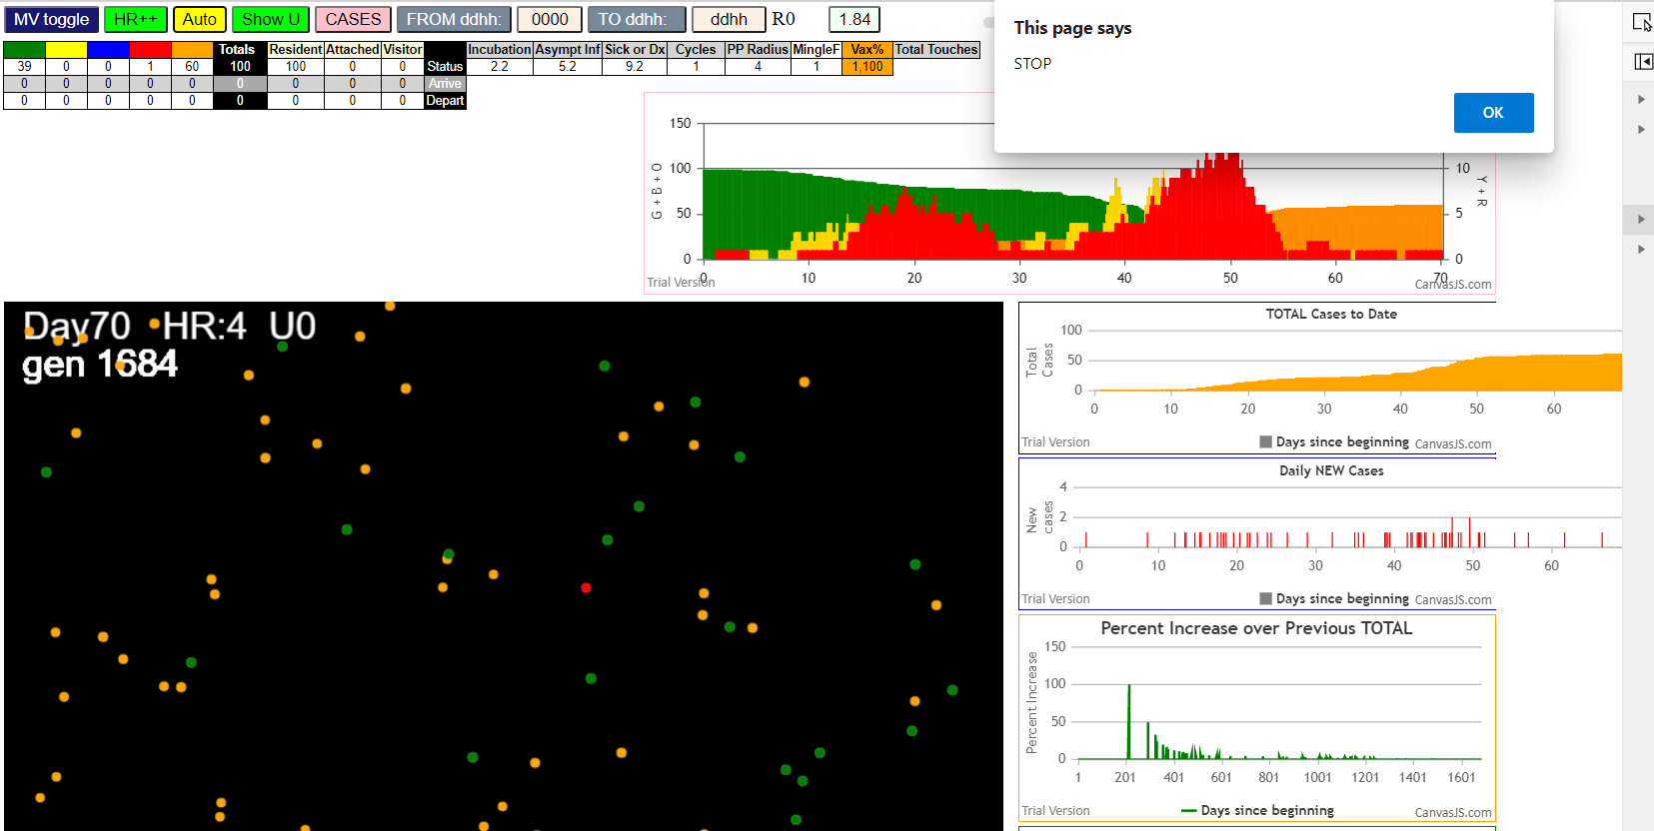

Mon Jan 04 2021 14:54:03 GMT-0800 (Pacific Standard Time)
simulationRev2Vax.js:834 CovidSIMVL Mode1 and Mod2 Moderna
simulationRev2Vax.js:4304 exit covidSim
simulationRev2Vax.js:23 getAsText File {name: "HundredAgentsU0mF1.csv", lastModified: 1608077990000, lastModifiedDate: Tue Dec 15 2020 16:19:50 GMT-0800 (Pacific Standard Time), webkitRelativePath: "", size: 2140, …}
simulationRev2Vax.js:32 File {name: "HundredAgentsU0mF1.csv", lastModified: 1608077990000, lastModifiedDate: Tue Dec 15 2020 16:19:50 GMT-0800 (Pacific Standard Time), webkitRelativePath: "", size: 2140, …}
simulationRev2Vax.js:23 getAsText File {name: "VL1.csv", lastModified: 1608081530000, lastModifiedDate: Tue Dec 15 2020 17:18:50 GMT-0800 (Pacific Standard Time), webkitRelativePath: "", size: 65, …}
...
simulationRev2Vax.js:2139 3I j:famKey 70:-1 infected by red i:famKey 8:-1 at gen 223 in Univ0 prob=0.929
simulationRev2Vax.js:2139 4I j:famKey 40:-1 infected by red i:famKey 8:-1 at gen 253 in Univ0 prob=0.723
simulationRev2Vax.js:2139 5I j:famKey 18:-1 infected by red i:famKey 8:-1 at gen 296 in Univ0 prob=0.276
simulationRev2Vax.js:2139 5I j:famKey 72:-1 infected by red i:famKey 8:-1 at gen 296 in Univ0 prob=0.855
simulationRev2Vax.js:2139 7I j:famKey 99:-1 infected by blue i:famKey 70:-1 at gen 300 in Univ0 prob=0.331
simulationRev2Vax.js:2156 8I i:famKey 11:-1 infected by blue j:famKey 99:-1 at gen 370 in U0 prob=0.807
simulationRev2Vax.js:2139 9I j:famKey 91:-1 infected by red i:famKey 40:-1 at gen 396 in Univ0 prob=0.810
simulationRev2Vax.js:2139 10I j:famKey 88:-1 infected by red i:famKey 40:-1 at gen 450 in Univ0 prob=0.849
simulationRev2Vax.js:2139 11I j:famKey 93:-1 infected by red i:famKey 91:-1 at gen 597 in Univ0 prob=0.952

